发布媒体
Distribution Summary
Release Headline | 【English】Pure Quality, Shared Future: Fenjiu Night Successfully Held in Auckland
Release Abstract | As dusk settled over Auckland on July 22, Phoenix New Media, in collaboration with Fenjiu Group, hosted “Pure Quality, Shared Future: Fenjiu Night in Auckland” in the South Pacific’s City of Sails. Shanxi Xinghuacun Fenjiu brought its millennia-old pure aroma to meet New Zealand’s pristine natural environment.
Clear Time | 2026-08-12
Total Media Postings | 【ALL Links 520 】
Distribution Circuits | Global
部分媒体截图
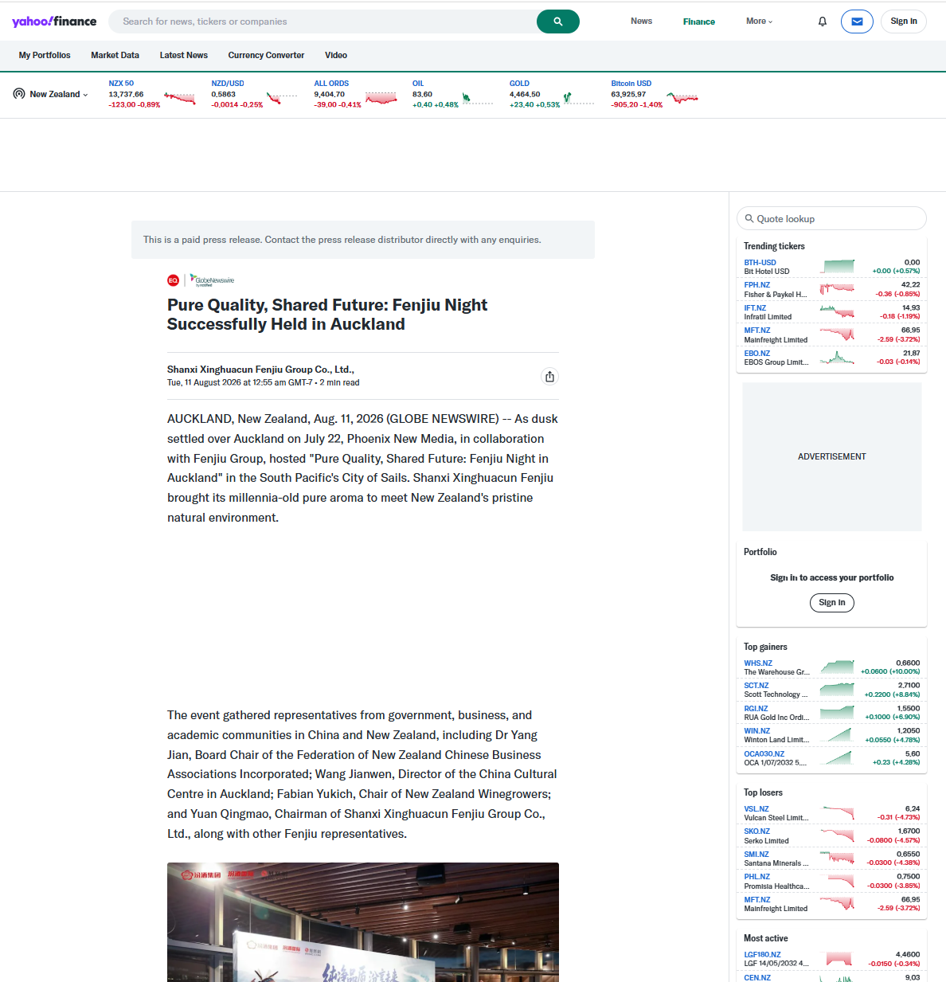
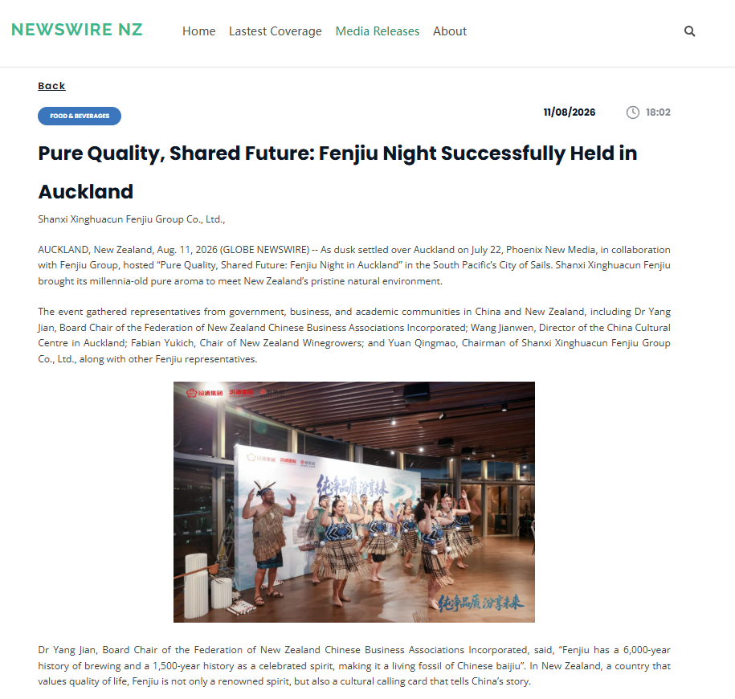
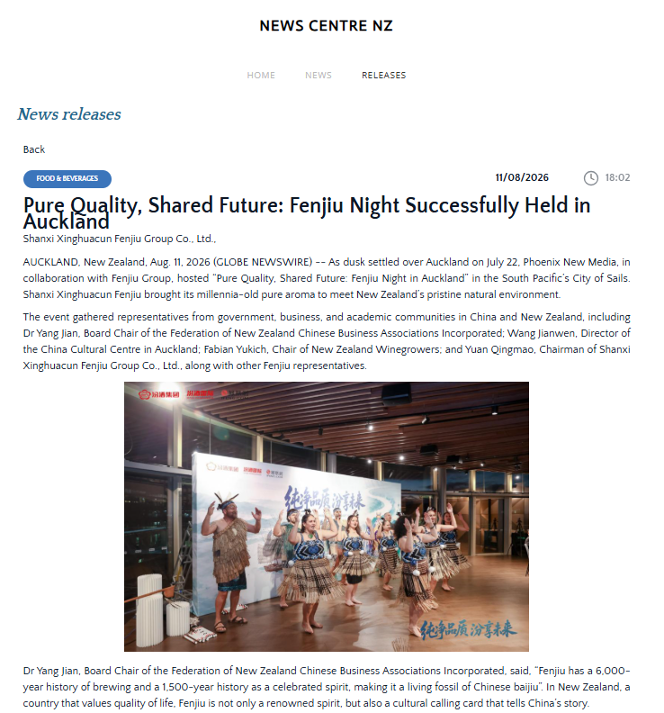

谷歌收录图示
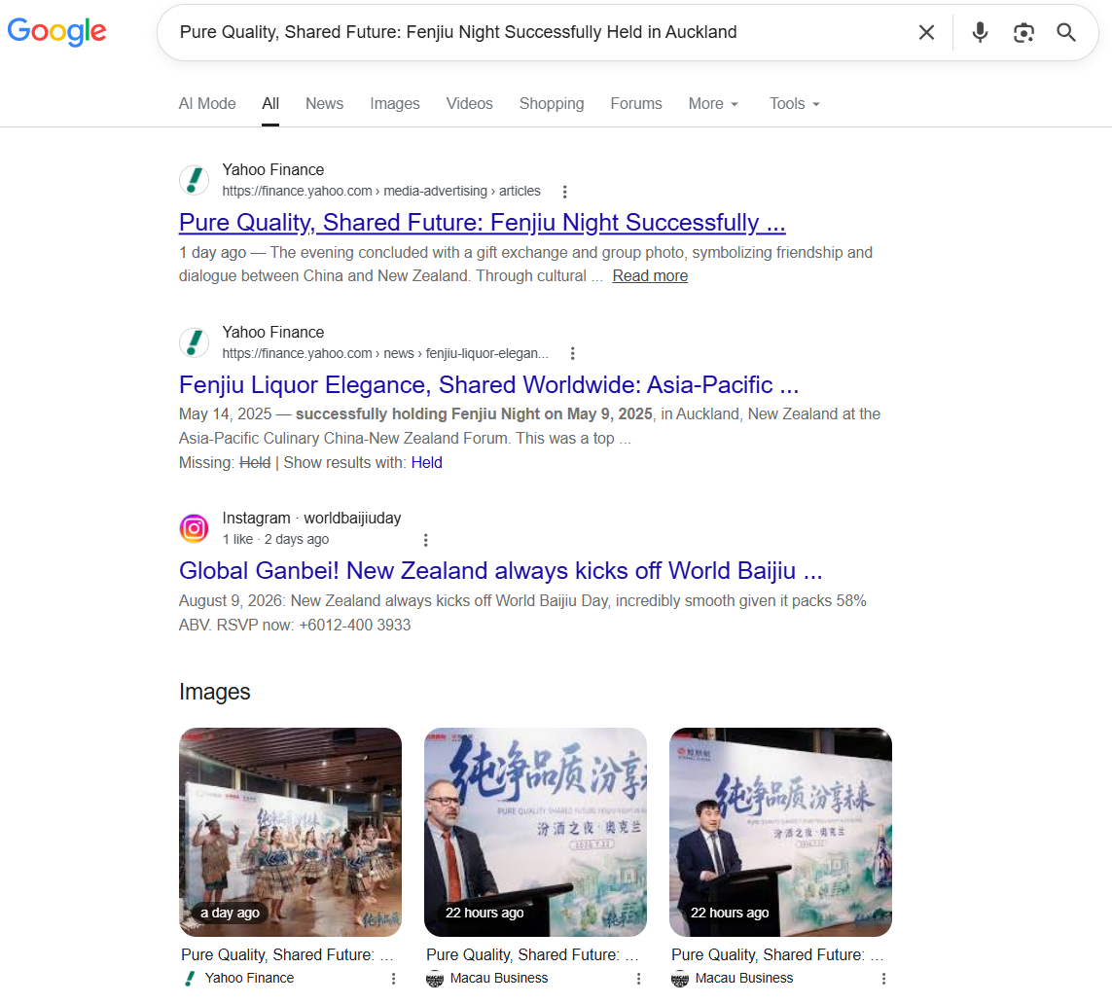

序号 | 媒体名称 | 网址 | 语言 | 地区 | 备注
1 | Yahoo! New Zealand | https://nz.finance.yahoo.com/media-advertising/articles/pure-quality-shared-future-fenjiu-075500347.html | 英语 | New Zealand | 雅虎，全球最大的门户网媒
2 | Yahoo! Finance | https://finance.yahoo.com/media-advertising/articles/pure-quality-shared-future-fenjiu-075500347.html | 英语 | USA | 雅虎，全球最大的门户网媒
3 | Yahoo! UK | https://uk.finance.yahoo.com/media-advertising/articles/pure-quality-shared-future-fenjiu-075500347.html | 英语 | UK | 雅虎，全球最大的门户网媒
4 | Yahoo! Canada | https://ca.finance.yahoo.com/media-advertising/articles/pure-quality-shared-future-fenjiu-075500347.html | 英语 | Canada | 雅虎，全球最大的门户网媒
5 | Yahoo! Singapore | https://sg.finance.yahoo.com/media-advertising/articles/pure-quality-shared-future-fenjiu-075500347.html | 英语 | Singapore | 雅虎，全球最大的门户网媒
6 | Yahoo! Australia | https://au.finance.yahoo.com/media-advertising/articles/pure-quality-shared-future-fenjiu-075500347.html | 英语 | Australia | 雅虎，全球最大的门户网媒
7 | Newswire NZ | https://www.newswirenz.co.nz/media-releases.html?id=6a7ad6e8e02871883f763020 | 英语 | New Zealand | Newswire NZ是新西兰当地新闻网站。致力于带来影响新西兰的最新新闻和关键新闻。通过新西兰及全球顶级组织和协会的媒体发布，报道政治、体育、金融等新闻。
8 | News Centre | https://www.newscentre.co.nz/nz-news-release.html?id=6a7ad6e8e02871883f763020 | 英语 | New Zealand | News Centre新西兰综合新闻门户，聚焦全国及地方即时新闻、民生、时政、体育与社会热点。
9 | Newsofnz | https://www.newsofnz.co.nz/releases.html?id=6a7ad6e8e02871883f763020 | 英语 | New Zealand | Newsofnz是新西兰的一个数字新闻资讯网站，报道范围覆盖新西兰全国，内容主要涉及新西兰各地媒体头条、国际要闻、财经、娱乐、地方社区新闻，做全网新闻汇总转载。
10 | New Times | http://newtimes.co.nz/detail/business/l6e8b2k0kq | 英语 | New Zealand | New Times 为新西兰本土英文资讯网，同媒矩阵站点，刊发本土及全球产业财经新闻。
11 | New Zealand Topic | http://nztopic.com/article/businessfinance/2u08oykk04 | 英语 | New Zealand | New Zealand Topic 是新西兰奥克兰英文媒体，覆盖全球商科资讯，收录多家出海企业深度新闻。
12 | Australian Associated Press | https://aapnews.aap.com.au/aapreleases/globenewswire9807568 | 英语 | Australia | Australian Associated Press（AAP）是澳大利亚的国家通讯社，创立于1935年，报道全澳大利亚及国际新闻，内容涵盖突发新闻、法庭报道、体育、政治、专题和新闻摄影。
13 | Benzinga | https://www.benzinga.com/pressreleases/26/08/g61100002/pure-quality-shared-future-fenjiu-night-successfully-held-auckland | 英语 | USA | Benzinga.com是一家领先的金融媒体和数据技术平台，提供实时金融新闻、数据分析、投资工具和教育资源，助力投资者决策。
14 | The Australian | https://www.theaustralian.com.au/medianet?id=6a7ad6e8e02871883f763020 | 英语 | Australia | The Australian是澳大利亚的国家新闻品牌，1964年创刊，隶属于新闻集团，半个多世纪以来，一直是澳大利亚最值得信赖的新闻、洞察、分析和评论来源，在澳具有广泛影响力。
15 | Herald Sun Australia | https://www.heraldsun.com.au/medianet?id=6a7ad6e8e02871883f763020 | 英语 | Australia | 《先驱太阳报》是澳大利亚阅读量最大的报纸，也是维多利亚州的突发新闻、足球新闻和尖锐评论的来源。
16 | The Daily Telegraph Australia | https://www.dailytelegraph.com.au/medianet?id=6a7ad6e8e02871883f763020 | 英语 | Australia | 作为新南威尔士州第一大报纸，《每日电讯报》已建立起令人骄傲的新闻品牌声誉，为该州其他地区制定了讨论的议程。
17 | The Courier-Mail Australia | https://www.couriermail.com.au/medianet?id=6a7ad6e8e02871883f763020 | 英语 | Australia | 《信使邮报》是昆士兰州政坛中颇具影响力的媒体，也是该州第一份报纸，每月的读者人数已超过 300 万。
18 | Adelaide Now Australia | https://www.adelaidenow.com.au/medianet?id=6a7ad6e8e02871883f763020 | 英语 | Australia | Adelaide Now Australia是南澳大利亚非常成功的新闻网站，整合了《广告人报》、《星期日邮报》和《信使报》以及 news.com.au、《先驱太阳报》和《每日电讯报》等全国各地的报道资源
19 | The Canberra Times Australia | https://www.canberratimes.com.au/press-releases/?rkey=globenewswire9807568/ | 英语 | Australia | The Canberra Times Australia始终服务于堪培拉这座国家级城市，是堪培拉市民信赖的重要新闻来源。
20 | Newcastle Herald | https://www.newcastleherald.com.au/press-releases/?rkey=globenewswire9807568/ | 英语 | Australia | Newcastle Herald 是澳新南威尔士州纽卡斯尔的本土日报，归 ACM 所有，1858 年创立，主打亨特地区本地新闻，是当地权威区域媒体，设新闻稿发布板块。
21 | ETNet | https://www.etnet.com.hk/www/tc/news/news-article.php?section=index&category=globenewswire&newsid=9807568&lang=en | 英语 | Hong Kong | 香港经济通通讯社于2001年成立，是香港首屈一指的财经资讯网站，提供股票与衍生工具之实时及非实时报价及财经新闻等资讯。
22 | NT News | https://www.ntnews.com.au/medianet?id=6a7ad6e8e02871883f763020 | 英语 | Australia | NT News每周一至周五每日覆盖超过 64,000 人，周六版更是每周发行量最高的报纸。
23 | Gold Coast Bulletin | https://www.goldcoastbulletin.com.au/medianet?id=6a7ad6e8e02871883f763020 | 英语 | Australia | 为澳大利亚昆士兰黄金海岸《Gold Coast Bulletin》官方站点，1885 年创立，归澳洲新闻集团所有，是当地专属日报
24 | The Mercury | https://www.themercury.com.au/medianet?id=6a7ad6e8e02871883f763020 | 英语 | Australia | 《水星报》The Mercury是澳大利亚塔斯马尼亚州历史最悠久的每日报纸，自1854年出版至今，被誉为“塔斯马尼亚之声”。该报隶属于新闻集团（News Corp），提供全面的本地新闻、体育、时事及评论，运营模式涵盖纸质版与数字版。
25 | Geelong Advertiser | https://www.geelongadvertiser.com.au/medianet?id=6a7ad6e8e02871883f763020 | 英语 | Australia | 《吉朗广告商报》Geelong Advertiser是澳大利亚维多利亚州吉朗地区的地方日报，创刊于1840年，是澳历史最悠久的报纸之一，现隶属于澳大利亚社区媒体，主要提供本地新闻、体育和社区资讯。
26 | Illawarra Mercury | https://www.illawarramercury.com.au/press-releases/?rkey=globenewswire9807568/ | 英语 | Australia | 澳大利亚伊拉瓦拉地区的主要地方报纸，提供本地新闻服务
27 | The Cairns Post | https://www.cairnspost.com.au/medianet?id=6a7ad6e8e02871883f763020 | 英语 | Australia | The Cairns Post隶属于是凯恩斯历史最悠久的持续运营企业，也是昆士兰州远北地区最大的媒体机构。在澳大利亚昆士兰州远北地区发行的一份主要报纸，专门服务于凯恩斯地区。
28 | The Chronicle | https://www.thechronicle.com.au/medianet?id=6a7ad6e8e02871883f763020 | 英语 | Australia | 《图文巴纪事报》The Chronicle是澳大利亚昆士兰州图文巴地区的主要日报，专注于提供本地新闻、体育、社区事件及分类信息。
29 | The Courier | https://www.thecourier.com.au/press-releases/?rkey=globenewswire9807568/ | 英语 | Australia | 澳大利亚维多利亚州巴拉瑞特地区的主要日报《信使报》（The Courier）的官方网站
30 | The Examiner | https://www.examiner.com.au/press-releases/?rkey=globenewswire9807568/ | 英语 | Australia | The Examiner 是澳大利亚历史第三悠久的报纸，创立于1842年，主要服务于塔斯马尼亚北部地区，总部位于该地区最大的城市朗塞斯顿。其报道范围从西北部的德洛雷恩一直延伸至朗塞斯顿，读者群体覆盖至乔治镇、德比以及东海岸等地。
31 | The Standard | https://www.standard.net.au/press-releases/?rkey=globenewswire9807568/ | 英语 | Australia | The Standard隶属于澳大利亚媒体集团（ACM），于1884年成为日报，是维多利亚州西南部地区主要新闻来源，报道范围广阔，西至波特兰和南澳大利亚州边界，东至科拉克，北至格兰屏山脉。报道本地新闻、体育、娱乐和社区信息网站。
32 | The Border Mail | https://www.bordermail.com.au/press-releases/?rkey=globenewswire9807568/ | 英语 | Australia | The Border Mail是澳大利亚的一份日报，创立于1903年，报道澳大利亚阿尔伯里-沃东加（Albury-Wodonga）双城及周边地区，内容包含以本地新闻为主，同时覆盖全国及国际新闻。内容涵盖社区问题、政治、体育等领域。
33 | MENAFN | https://menafn.com/1111526086/Pure-Quality-Shared-Future-Fenjiu-Night-Successfully-Held-In-Auckland | 英语 | USA | MENAFN报道世界和中东商业及今日新闻，股票，货币，市场数据，研究，天气等
34 | Townsville Bulletin | https://www.townsvillebulletin.com.au/medianet?id=6a7ad6e8e02871883f763020 | 英语 | Australia | 该网站是《汤斯维尔公报》（Townsville Bulletin）官网。它是澳大利亚昆士兰州北部的主要日报，隶属于新闻集团，专注于提供本地新闻、体育、政治及商业报道。
35 | Bendigo Advertiser | https://www.bendigoadvertiser.com.au/press-releases/?rkey=globenewswire9807568/ | 英语 | Australia | Bendigo Advertiser是澳大利亚的一份日报，创立于1853年，报道维多利亚州本迪戈（Bendigo）及周边地区，内容包含区域性新闻和社区事务。
36 | The Advocate Australia | https://www.theadvocate.com.au/press-releases/?rkey=globenewswire9807568/ | 英语 | Australia | The Advocate是澳大利亚的一份日报，创立于1890年，报道塔斯马尼亚州西北部和西部地区，内容包含本地新闻和社区资讯。
37 | Thesenior | https://www.thesenior.com.au/press-releases/?rkey=globenewswire9807568/ | 英语 | Australia | The Senior是澳大利亚的一份全国性月刊，创立于1978年，报道澳大利亚全国，内容涵盖影响老年人的政府决策、健康、理财、生活方式、旅游和娱乐等领域。
38 | Daily Advertiser Australia | https://www.dailyadvertiser.com.au/press-releases/?rkey=globenewswire9807568/ | 英语 | Australia | Daily Advertiser是澳大利亚的一份日报，创刊于1868年（1918年改为日报），报道新南威尔士州沃加沃加（Wagga Wagga）及周边地区，内容包含本地新闻和社区服务。
39 | Central Western Daily | https://www.centralwesterndaily.com.au/press-releases/?rkey=globenewswire9807568/ | 英语 | Australia | Central Western Daily是澳大利亚的一份日报，创立于1945年，报道新南威尔士州中西部地区（以奥兰治Orange为中心），内容包含社区新闻、本地人物及区域、全国新闻。
40 | Batemans Bay Post | https://www.batemansbaypost.com.au/press-releases/?rkey=globenewswire9807568/ | 英语 | Australia | Batemans Bay Post是澳大利亚的一份社区周报，报道新南威尔士州南海岸巴特曼斯贝（Batemans Bay）及Eurobodalla地区，内容包含本地社区新闻。
41 | Queensland Country Life | https://www.queenslandcountrylife.com.au/press-releases/?rkey=globenewswire9807568/ | 英语 | Australia | Queensland Country Life是澳大利亚的一份行业周报，创立于1935年，报道昆士兰州，内容专注于农业、畜牧及相关农村产业新闻。
42 | Medianet - NewsHub | https://newshub.medianet.com.au/2026/08/pure-quality-shared-future-fenjiu-night-successfully-held-in-auckland/165872/ | 英语 | Australia | Medianet - NewsHub是澳大利亚的一个数字平台，创立于1983年，报道范围覆盖澳大利亚，内容涉及媒体情报、公关传播和新闻稿聚合。
43 | The Daily Liberal | https://www.dailyliberal.com.au/press-releases/?rkey=globenewswire9807568/ | 英语 | Australia | The Daily Liberal是澳大利亚的一份日报，报道新南威尔士州达博（Dubbo）及Orana地区，内容包含本地新闻和社区资讯。
44 | Macau Business | https://macaubusiness.com/pure-quality-shared-future-fenjiu-night-successfully-held-in-auckland/ | 英语 | Macau | Macau Business
45 | Northern Daily Leader AU | https://www.northerndailyleader.com.au/press-releases/?rkey=globenewswire9807568/ | 英语 | Australia | Northern Daily Leader AU
46 | Western Advocate | https://www.westernadvocate.com.au/press-releases/?rkey=globenewswire9807568/ | 英语 | Australia | Western Advocate
47 | The Land | https://www.theland.com.au/press-releases/?rkey=globenewswire9807568/ | 英语 | Australia | The Land
48 | Gou L Burn Post | https://www.goulburnpost.com.au/press-releases/?rkey=globenewswire9807568/ | 英语 | Australia | Gou L Burn Post
49 | South Coast Register | https://www.southcoastregister.com.au/press-releases/?rkey=globenewswire9807568/ | 英语 | Australia | South Coast Register
50 | Maitland Mercury | https://www.maitlandmercury.com.au/press-releases/?rkey=globenewswire9807568/ | 英语 | Australia | Maitland Mercury
51 | Blue Mountains Gazette | https://www.bluemountainsgazette.com.au/press-releases/?rkey=globenewswire9807568/ | 英语 | Australia | Blue Mountains Gazette
52 | Farm Weekly | https://www.farmweekly.com.au/press-releases/?rkey=globenewswire9807568/ | 英语 | Australia | Farm Weekly
53 | Stock & Land | https://www.stockandland.com.au/press-releases/?rkey=globenewswire9807568/ | 英语 | Australia | Stock & Land
54 | Farm Online | https://www.farmonline.com.au/press-releases/?rkey=globenewswire9807568/ | 英语 | Australia | Farm Online
55 | Bega District News | https://www.begadistrictnews.com.au/press-releases/?rkey=globenewswire9807568/ | 英语 | Australia | Bega District News
56 | AAP Images | https://photos.aap.com.au/aapreleases/globenewswire9807568/ | 英语 | Australia | AAP Images
57 | June E Southern Cross | https://www.juneesoutherncross.com.au/press-releases/?rkey=globenewswire9807568/ | 英语 | Australia | June E Southern Cross
58 | Stock Journal | https://www.stockjournal.com.au/press-releases/?rkey=globenewswire9807568/ | 英语 | Australia | Stock Journal
59 | Areanews | https://www.areanews.com.au/press-releases/?rkey=globenewswire9807568/ | 英语 | Australia | Areanews
60 | Ulladulla Times | https://www.ulladullatimes.com.au/press-releases/?rkey=globenewswire9807568/ | 英语 | Australia | Ulladulla Times
61 | Manning River Times | https://www.manningrivertimes.com.au/press-releases/?rkey=globenewswire9807568/ | 英语 | Australia | Manning River Times
62 | Armida Le Express | https://www.armidaleexpress.com.au/press-releases/?rkey=globenewswire9807568/ | 英语 | Australia | Armida Le Express
63 | Hunter Valley News | https://www.huntervalleynews.net.au/press-releases/?rkey=globenewswire9807568/ | 英语 | Australia | Hunter Valley News
64 | Katherine Times | https://www.katherinetimes.com.au/press-releases/?rkey=globenewswire9807568/ | 英语 | Australia | Katherine Times
65 | Coot Amund Ra Herald | https://www.cootamundraherald.com.au/press-releases/?rkey=globenewswire9807568/ | 英语 | Australia | Coot Amund Ra Herald
66 | Macleay Argus | https://www.macleayargus.com.au/press-releases/?rkey=globenewswire9807568/ | 英语 | Australia | Macleay Argus
67 | Weekender | https://weekender.com.sg/globenewswire/?gnw_id=3342423/language/en | 英语 | Singapore | Weekender
68 | B Layney Chronicle | https://www.blayneychronicle.com.au/press-releases/?rkey=globenewswire9807568/ | 英语 | Australia | B Layney Chronicle
69 | Northwest Star | https://www.northweststar.com.au/press-releases/?rkey=globenewswire9807568/ | 英语 | Australia | Northwest Star
70 | Mandurah Mail | https://www.mandurahmail.com.au/press-releases/?rkey=globenewswire9807568/ | 英语 | Australia | Mandurah Mail
71 | Crook Well Gazette | https://www.crookwellgazette.com.au/press-releases/?rkey=globenewswire9807568/ | 英语 | Australia | Crook Well Gazette
72 | Great Lakes Advocate | https://www.greatlakesadvocate.com.au/press-releases/?rkey=globenewswire9807568/ | 英语 | Australia | Great Lakes Advocate
73 | Glen Innes Examiner | https://www.gleninnesexaminer.com.au/press-releases/?rkey=globenewswire9807568/ | 英语 | Australia | Glen Innes Examiner
74 | Me Rim Bula News Weekly | https://www.merimbulanewsweekly.com.au/press-releases/?rkey=globenewswire9807568/ | 英语 | Australia | Me Rim Bula News Weekly
75 | Mus Well Brook Chronicle | https://www.muswellbrookchronicle.com.au/press-releases/?rkey=globenewswire9807568/ | 英语 | Australia | Mus Well Brook Chronicle
76 | North Queensland Register | https://www.northqueenslandregister.com.au/press-releases/?rkey=globenewswire9807568/ | 英语 | Australia | North Queensland Register
77 | More E Champion | https://www.moreechampion.com.au/press-releases/?rkey=globenewswire9807568/ | 英语 | Australia | More E Champion
78 | News Centre | https://www.newscentre.com.au/releases.html?id=6a7ad6e8e02871883f763020 | 英语 | Australia | News Centre
79 | Small Business Online Network | https://www.smallbusinessonlinenetwork.com/article/933309002-pure-quality-shared-future-fenjiu-night-successfully-held-in-auckland | 英语 | USA | Small Business Online Network
80 | Irrigator | https://www.irrigator.com.au/press-releases/?rkey=globenewswire9807568/ | 英语 | Australia | Irrigator
81 | Port Stephens Examiner | https://www.portstephensexaminer.com.au/press-releases/?rkey=globenewswire9807568/ | 英语 | Australia | Port Stephens Examiner
82 | Dun Gog Chronicle | https://www.dungogchronicle.com.au/press-releases/?rkey=globenewswire9807568/ | 英语 | Australia | Dun Gog Chronicle
83 | Braidwood Times | https://www.braidwoodtimes.com.au/press-releases/?rkey=globenewswire9807568/ | 英语 | Australia | Braidwood Times
84 | International Business Watch | https://www.internationalbusinesswatch.com/article/933309002-pure-quality-shared-future-fenjiu-night-successfully-held-in-auckland | 英语 | USA | International Business Watch
85 | Camden Courier | https://www.camdencourier.com.au/press-releases/?rkey=globenewswire9807568/ | 英语 | Australia | Camden Courier
86 | Ohio Business Brief | https://www.ohiobusinessbrief.com/article/933309002-pure-quality-shared-future-fenjiu-night-successfully-held-in-auckland | 英语 | USA | Ohio Business Brief
87 | My Australian News (Australia) | https://www.myaustraliannews.com.au/news-releases.html?id=6a7ad6e8e02871883f763020 | 英语 | Australia | My Australian News (Australia)
88 | Louisiana Industry Journal | https://www.louisianaindustryjournal.com/article/933309002-pure-quality-shared-future-fenjiu-night-successfully-held-in-auckland | 英语 | USA | Louisiana Industry Journal
89 | Consumer World Report | https://www.consumerworldreport.com/article/933309002-pure-quality-shared-future-fenjiu-night-successfully-held-in-auckland | 英语 | USA | Consumer World Report
90 | The World Newswire | https://www.theworldnewswire.com/article/933309002-pure-quality-shared-future-fenjiu-night-successfully-held-in-auckland | 英语 | USA | The World Newswire
91 | Global Business Watch | https://www.globalbusinesswatch.com/article/933309002-pure-quality-shared-future-fenjiu-night-successfully-held-in-auckland | 英语 | USA | Global Business Watch
92 | Economic Policy Times | https://www.economicpolicytimes.com/article/933309002-pure-quality-shared-future-fenjiu-night-successfully-held-in-auckland | 英语 | USA | Economic Policy Times
93 | Business Intelligence | https://businessintelligence.mo/2026/08/11/pure-quality-shared-future-fenjiu-night-successfully-held-in-auckland/ | 英语 | Macau | Business Intelligence
94 | New Products Digest | https://www.newproductsdigest.com/article/933309002-pure-quality-shared-future-fenjiu-night-successfully-held-in-auckland | 英语 | USA | New Products Digest
95 | Economic News Observer | https://www.economicnewsobserver.com/article/933309002-pure-quality-shared-future-fenjiu-night-successfully-held-in-auckland | 英语 | USA | Economic News Observer
96 | Growing Businesses In The News | https://www.growingbusinessesinthenews.com/article/933309002-pure-quality-shared-future-fenjiu-night-successfully-held-in-auckland | 英语 | USA | Growing Businesses In The News
97 | My Guide To Lifestyle | https://www.myguidetolifestyle.com/article/933309002-pure-quality-shared-future-fenjiu-night-successfully-held-in-auckland | 英语 | USA | My Guide To Lifestyle
98 | Business Herald Online | https://www.businessheraldonline.com/article/933309002-pure-quality-shared-future-fenjiu-night-successfully-held-in-auckland | 英语 | USA | Business Herald Online
99 | Nvi | https://www.nvi.com.au/press-releases/?rkey=globenewswire9807568/ | 英语 | Australia | Nvi
100 | AAP News | https://www.aapnews.com.au/media-releases/globenewswire9807568/ | 英语 | Australia | AAP News
101 | Good Fruit And Vegetables | https://www.goodfruitandvegetables.com.au/press-releases/?rkey=globenewswire9807568/ | 英语 | Australia | Good Fruit And Vegetables
102 | Latin America Business Today | https://www.latinamericabusinesstoday.com/article/933309002-pure-quality-shared-future-fenjiu-night-successfully-held-in-auckland | 英语 | USA | Latin America Business Today
103 | SMB World Reporter | https://www.smbworldreport.com/article/933309002-pure-quality-shared-future-fenjiu-night-successfully-held-in-auckland | 英语 | USA | SMB World Reporter
104 | B Unbury Mail | https://www.bunburymail.com.au/press-releases/?rkey=globenewswire9807568/ | 英语 | Australia | B Unbury Mail
105 | SMB & Me | https://www.smbandme.com/article/933309002-pure-quality-shared-future-fenjiu-night-successfully-held-in-auckland | 英语 | USA | SMB & Me
106 | Mining Press Releases | http://www.miningpressreleases.com/article/933309002-pure-quality-shared-future-fenjiu-night-successfully-held-in-auckland | 英语 | All Countries | Mining Press Releases
107 | Industry Times Tennessee | https://www.industrytimestennessee.com/article/933309002-pure-quality-shared-future-fenjiu-night-successfully-held-in-auckland | 英语 | USA | Industry Times Tennessee
108 | Global Advertising News | https://www.globaladvertisingnews.com/article/933309002-pure-quality-shared-future-fenjiu-night-successfully-held-in-auckland | 英语 | USA | Global Advertising News
109 | Montserrat Daily News | https://www.montserratdailynews.com/article/933309002-pure-quality-shared-future-fenjiu-night-successfully-held-in-auckland | 英语 | Montserrat | Montserrat Daily News
110 | 24/7 Business Reporter | https://www.247businessreporter.com/article/933309002-pure-quality-shared-future-fenjiu-night-successfully-held-in-auckland | 英语 | USA | 24/7 Business Reporter
111 | Today In Marcom | https://www.todayinmarcom.com/article/933309002-pure-quality-shared-future-fenjiu-night-successfully-held-in-auckland | 英语 | USA | Today In Marcom
112 | World Culture Times | https://www.worldofculturetimes.com/article/933309002-pure-quality-shared-future-fenjiu-night-successfully-held-in-auckland | 英语 | All Countries | World Culture Times
113 | Asia News Guide | https://www.asianewsguide.com/article/933309002-pure-quality-shared-future-fenjiu-night-successfully-held-in-auckland | 英语 | All Countries | Asia News Guide
114 | Cess Nock Advertiser | https://www.cessnockadvertiser.com.au/press-releases/?rkey=globenewswire9807568/ | 英语 | Australia | Cess Nock Advertiser
115 | Channel One Style | https://www.channelonestyle.com/article/933309002-pure-quality-shared-future-fenjiu-night-successfully-held-in-auckland | 英语 | USA | Channel One Style
116 | Inl (International News Ledger) | https://www.internationalnewsledger.com/article/933309002-pure-quality-shared-future-fenjiu-night-successfully-held-in-auckland | 英语 | USA | Inl (International News Ledger)
117 | Mud Gee Guardian | https://www.mudgeeguardian.com.au/press-releases/?rkey=globenewswire9807568/ | 英语 | Australia | Mud Gee Guardian
118 | The Asia Pacific Examiner | https://www.Asiapacificexaminer.com/article/933309002-pure-quality-shared-future-fenjiu-night-successfully-held-in-auckland | 英语 | All Countries | The Asia Pacific Examiner
119 | Small Business News Watch | https://www.smallbusinessnewswatch.com/article/933309002-pure-quality-shared-future-fenjiu-night-successfully-held-in-auckland | 英语 | USA | Small Business News Watch
120 | Small Business World Journal | https://www.smallbusinessworldjournal.com/article/933309002-pure-quality-shared-future-fenjiu-night-successfully-held-in-auckland | 英语 | USA | Small Business World Journal
121 | Airline Industry Today | http://www.airlineindustrytoday.com/article/933309002-pure-quality-shared-future-fenjiu-night-successfully-held-in-auckland | 英语 | All Countries | Airline Industry Today
122 | The Wimmera Mail-Times | https://www.mailtimes.com.au/press-releases/?rkey=globenewswire9807568/ | 英语 | Australia | The Wimmera Mail-Times
123 | New Jersey Business Journal | https://www.newjerseybusinessjournal.com/article/933309002-pure-quality-shared-future-fenjiu-night-successfully-held-in-auckland | 英语 | USA | New Jersey Business Journal
124 | Business Post Examiner | https://www.businesspostexaminer.com/article/933309002-pure-quality-shared-future-fenjiu-night-successfully-held-in-auckland | 英语 | USA | Business Post Examiner
125 | World Advertising Report | https://www.worldadvertisingreport.com/article/933309002-pure-quality-shared-future-fenjiu-night-successfully-held-in-auckland | 英语 | USA | World Advertising Report
126 | Today In The News | http://www.todayinthenews.com/article/933309002-pure-quality-shared-future-fenjiu-night-successfully-held-in-auckland | 英语 | USA | Today In The News
127 | Tenterfield Star | https://www.tenterfieldstar.com.au/press-releases/?rkey=globenewswire9807568/ | 英语 | Australia | Tenterfield Star
128 | Journal of Business News | https://www.journalofbusinessnews.com/article/933309002-pure-quality-shared-future-fenjiu-night-successfully-held-in-auckland | 英语 | All Countries | Journal of Business News
129 | The Marketing Communicator | https://www.themarketingcommunicator.com/article/933309002-pure-quality-shared-future-fenjiu-night-successfully-held-in-auckland | 英语 | USA | The Marketing Communicator
130 | The Business Gazette Online | https://www.thebusinessgazetteonline.com/article/933309002-pure-quality-shared-future-fenjiu-night-successfully-held-in-auckland | 英语 | USA | The Business Gazette Online
131 | Business Times Journal | https://www.businesstimesjournal.com/article/933309002-pure-quality-shared-future-fenjiu-night-successfully-held-in-auckland | 英语 | USA | Business Times Journal
132 | Small Business World Magazine | https://www.smallbusinessworldmagazine.com/article/933309002-pure-quality-shared-future-fenjiu-night-successfully-held-in-auckland | 英语 | USA | Small Business World Magazine
133 | Consumer Products Times | https://www.consumerproductstimes.com/article/933309002-pure-quality-shared-future-fenjiu-night-successfully-held-in-auckland | 英语 | USA | Consumer Products Times
134 | Product Innovation Times | https://www.productinnovationtimes.com/article/933309002-pure-quality-shared-future-fenjiu-night-successfully-held-in-auckland | 英语 | USA | Product Innovation Times
135 | World Post Reporter | https://www.worldpostreporter.com/article/933309002-pure-quality-shared-future-fenjiu-night-successfully-held-in-auckland | 英语 | USA | World Post Reporter
136 | Marcom World | https://www.marcomworld.com/article/933309002-pure-quality-shared-future-fenjiu-night-successfully-held-in-auckland | 英语 | USA | Marcom World
137 | The Consumer News Network | https://www.theconsumernewsnetwork.com/article/933309002-pure-quality-shared-future-fenjiu-night-successfully-held-in-auckland | 英语 | USA | The Consumer News Network
138 | Connect Web | https://connectweb.com.au/news.aspx?id=6a7ad6e8e02871883f763020 | 英语 | Australia | Connect Web
139 | Lifestyle Press Releases | https://www.lifestylepressreleases.com/article/933309002-pure-quality-shared-future-fenjiu-night-successfully-held-in-auckland | 英语 | USA | Lifestyle Press Releases
140 | Arizona Business Watch | https://www.arizonabusinesswatch.com/article/933309002-pure-quality-shared-future-fenjiu-night-successfully-held-in-auckland | 英语 | USA | Arizona Business Watch
141 | Business Journal Florida | https://www.businessjournalflorida.com/article/933309002-pure-quality-shared-future-fenjiu-night-successfully-held-in-auckland | 英语 | USA | Business Journal Florida
142 | Culture Watch Update | https://www.culturewatchupdate.com/article/933309002-pure-quality-shared-future-fenjiu-night-successfully-held-in-auckland | 英语 | USA | Culture Watch Update
143 | Virgin Islands Business Journal | https://www.virginislandsbusinessjournal.com/article/933309002-pure-quality-shared-future-fenjiu-night-successfully-held-in-auckland | 英语 | Virgin Islands (U.S.) | Virgin Islands Business Journal
144 | California Commerce Daily | https://www.californiacommercedaily.com/article/933309002-pure-quality-shared-future-fenjiu-night-successfully-held-in-auckland | 英语 | USA | California Commerce Daily
145 | The Marcom Journal | https://www.themarcomjournal.com/article/933309002-pure-quality-shared-future-fenjiu-night-successfully-held-in-auckland | 英语 | USA | The Marcom Journal
146 | Society Arts Culture | https://www.societyartsandculture.com/article/933309002-pure-quality-shared-future-fenjiu-night-successfully-held-in-auckland | 英语 | USA | Society Arts Culture
147 | Asia Pacific News Today | https://www.asiapacificnewstoday.com/article/933309002-pure-quality-shared-future-fenjiu-night-successfully-held-in-auckland | 英语 | All Countries | Asia Pacific News Today
148 | Asia News Digest | https://www.asianewsdigest.com/article/933309002-pure-quality-shared-future-fenjiu-night-successfully-held-in-auckland | 英语 | All Countries | Asia News Digest
149 | Asia Pacific News Journal | https://www.asiapacificnewsjournal.com/article/933309002-pure-quality-shared-future-fenjiu-night-successfully-held-in-auckland | 英语 | All Countries | Asia Pacific News Journal
150 | Therural | https://www.therural.com.au/press-releases/?rkey=globenewswire9807568/ | 英语 | Australia | Therural
151 | Today in Business | http://www.todayinbusiness.com/article/933309002-pure-quality-shared-future-fenjiu-night-successfully-held-in-auckland | 英语 | All Countries | Today in Business
152 | Lismore City News | https://www.lismorecitynews.com.au/press-releases/?rkey=globenewswire9807568/ | 英语 | Australia | Lismore City News
153 | Texas Business Times | https://www.texasbusinesstimes.com/article/933309002-pure-quality-shared-future-fenjiu-night-successfully-held-in-auckland | 英语 | USA | Texas Business Times
154 | The Onlineculture Channel | https://www.theonlineculturechannel.com/article/933309002-pure-quality-shared-future-fenjiu-night-successfully-held-in-auckland | 英语 | USA | The Onlineculture Channel
155 | Minnesota Industry News | https://www.minnesotaindustrynews.com/article/933309002-pure-quality-shared-future-fenjiu-night-successfully-held-in-auckland | 英语 | USA | Minnesota Industry News
156 | Uzbekistan Business Journal | https://www.uzbekistanbusinessjournal.com/article/933309002-pure-quality-shared-future-fenjiu-night-successfully-held-in-auckland | 英语 | Uzbekistan | Uzbekistan Business Journal
157 | Asia Pacific Culture News | https://www.asiapacificculturenews.com/article/933309002-pure-quality-shared-future-fenjiu-night-successfully-held-in-auckland | 英语 | All Countries | Asia Pacific Culture News
158 | Eyeballs & Clicks | https://www.eyeballsandclicks.com/article/933309002-pure-quality-shared-future-fenjiu-night-successfully-held-in-auckland | 英语 | USA | Eyeballs & Clicks
159 | Media Industry Observer | https://www.mediaindustryobserver.com/article/933309002-pure-quality-shared-future-fenjiu-night-successfully-held-in-auckland | 英语 | USA | Media Industry Observer
160 | Asia Pacific Herald | https://www.asiapacificherald.com/article/933309002-pure-quality-shared-future-fenjiu-night-successfully-held-in-auckland | 英语 | All Countries | Asia Pacific Herald
161 | Asia Pacific News Network | https://www.asiapacificnewsnetwork.com/article/933309002-pure-quality-shared-future-fenjiu-night-successfully-held-in-auckland | 英语 | All Countries | Asia Pacific News Network
162 | Industry Journal of Maine | https://www.industryjournalmaine.com/article/933309002-pure-quality-shared-future-fenjiu-night-successfully-held-in-auckland | 英语 | USA | Industry Journal of Maine
163 | MyConsumer Products Guide | https://www.myconsumerproductsguide.com/article/933309002-pure-quality-shared-future-fenjiu-night-successfully-held-in-auckland | 英语 | USA | MyConsumer Products Guide
164 | News Channel Asia | https://www.newschannelasia.com/article/933309002-pure-quality-shared-future-fenjiu-night-successfully-held-in-auckland | 英语 | All Countries | News Channel Asia
165 | Small Business News Today | https://www.smallbusinessnewstoday.com/article/933309002-pure-quality-shared-future-fenjiu-night-successfully-held-in-auckland | 英语 | USA | Small Business News Today
166 | Books, Poets, and Cats | https://www.bookspoetsandcats.com/article/933309002-pure-quality-shared-future-fenjiu-night-successfully-held-in-auckland | 英语 | USA | Books, Poets, and Cats
167 | Food and Beverage Times Asia | https://www.foodandbeveragetimesasia.com/article/933309002-pure-quality-shared-future-fenjiu-night-successfully-held-in-auckland | 英语 | All Countries | Food and Beverage Times Asia
168 | Industry Times of Connecticut | https://www.industrytimesconnecticut.com/article/933309002-pure-quality-shared-future-fenjiu-night-successfully-held-in-auckland | 英语 | USA | Industry Times of Connecticut
169 | Narooma News | https://www.naroomanewsonline.com.au/press-releases/?rkey=globenewswire9807568/ | 英语 | Australia | Narooma News
170 | Africa Marketing Industry News | https://www.africamarketingindustrynews.com/article/933309002-pure-quality-shared-future-fenjiu-night-successfully-held-in-auckland | 英语 | South Africa | Africa Marketing Industry News
171 | SmallBusinesses In The News | https://www.smallbusinessesinthenews.com/article/933309002-pure-quality-shared-future-fenjiu-night-successfully-held-in-auckland | 英语 | USA | SmallBusinesses In The News
172 | International World Times | https://www.internationalworldtimes.com/article/933309002-pure-quality-shared-future-fenjiu-night-successfully-held-in-auckland | 英语 | All Countries | International World Times
173 | World Report Monitor | https://www.worldreportmonitor.com/article/933309002-pure-quality-shared-future-fenjiu-night-successfully-held-in-auckland | 英语 | All Countries | World Report Monitor
174 | Market Forecast Reports | http://www.marketforecastreports.com/article/933309002-pure-quality-shared-future-fenjiu-night-successfully-held-in-auckland | 英语 | USA | Market Forecast Reports
175 | Global Reporter Journal | https://www.globalreporterjournal.com/article/933309002-pure-quality-shared-future-fenjiu-night-successfully-held-in-auckland | 英语 | USA | Global Reporter Journal
176 | Taiwan Business Journal | https://www.taiwanbusinessjournal.com/article/933309002-pure-quality-shared-future-fenjiu-night-successfully-held-in-auckland | 英语 | Taiwan | Taiwan Business Journal
177 | The Asia Gazette | https://www.theasiagazette.com/article/933309002-pure-quality-shared-future-fenjiu-night-successfully-held-in-auckland | 英语 | All Countries | The Asia Gazette
178 | Global Culture Review | https://www.globalculturereview.com/article/933309002-pure-quality-shared-future-fenjiu-night-successfully-held-in-auckland | 英语 | USA | Global Culture Review
179 | Gloucester Advocate | https://www.gloucesteradvocate.com.au/press-releases/?rkey=globenewswire9807568/ | 英语 | Australia | Gloucester Advocate
180 | Consumer Goods Press Releases | http://www.consumergoodspressreleases.com/article/933309002-pure-quality-shared-future-fenjiu-night-successfully-held-in-auckland | 英语 | USA | Consumer Goods Press Releases
181 | Airline Press Releases | http://www.airlinepressreleases.com/article/933309002-pure-quality-shared-future-fenjiu-night-successfully-held-in-auckland | 英语 | All Countries | Airline Press Releases
182 | Business Insider North Carolina | https://www.businessinsidernorthcarolina.com/article/933309002-pure-quality-shared-future-fenjiu-night-successfully-held-in-auckland | 英语 | USA | Business Insider North Carolina
183 | The Asia Reporter | https://www.theasiareporter.com/article/933309002-pure-quality-shared-future-fenjiu-night-successfully-held-in-auckland | 英语 | All Countries | The Asia Reporter
184 | Innovation & Entrepreneurs News | https://www.innovationandentrepreneursnews.com/article/933309002-pure-quality-shared-future-fenjiu-night-successfully-held-in-auckland | 英语 | USA | Innovation & Entrepreneurs News
185 | Maryland Business Weekly | https://www.marylandbusinessweekly.com/article/933309002-pure-quality-shared-future-fenjiu-night-successfully-held-in-auckland | 英语 | USA | Maryland Business Weekly
186 | Queanbeyan Age | https://www.queanbeyanage.com.au/press-releases/?rkey=globenewswire9807568/ | 英语 | Australia | Queanbeyan Age
187 | Global Media Watch | https://www.globalmediawatch.com/article/933309002-pure-quality-shared-future-fenjiu-night-successfully-held-in-auckland | 英语 | USA | Global Media Watch
188 | West Virginia Business Dispatch | https://www.westvirginiabusinessdispatch.com/article/933309002-pure-quality-shared-future-fenjiu-night-successfully-held-in-auckland | 英语 | USA | West Virginia Business Dispatch
189 | Arts, Society & Me | https://www.artssocietyandme.com/article/933309002-pure-quality-shared-future-fenjiu-night-successfully-held-in-auckland | 英语 | USA | Arts, Society & Me
190 | Consumer Products In The News | https://www.consumerproductsinthenews.com/article/933309002-pure-quality-shared-future-fenjiu-night-successfully-held-in-auckland | 英语 | USA | Consumer Products In The News
191 | SMB in Action | https://www.smbinaction.com/article/933309002-pure-quality-shared-future-fenjiu-night-successfully-held-in-auckland | 英语 | USA | SMB in Action
192 | Nar Romine News Online | https://www.narrominenewsonline.com.au/press-releases/?rkey=globenewswire9807568/ | 英语 | Australia | Nar Romine News Online
193 | Business Journal of Indiana | https://www.businessjournalindiana.com/article/933309002-pure-quality-shared-future-fenjiu-night-successfully-held-in-auckland | 英语 | USA | Business Journal of Indiana
194 | Oz News Today | https://www.oznewstoday.com.au/news-releases.html?id=6a7ad6e8e02871883f763020 | 英语 | Australia | Oz News Today
195 | San Marino Industry Press | https://www.sanmarinoindustrypress.com/article/933309002-pure-quality-shared-future-fenjiu-night-successfully-held-in-auckland | 英语 | San Marino | San Marino Industry Press
196 | Industry Times of Delaware | https://www.industrytimesdelaware.com/article/933309002-pure-quality-shared-future-fenjiu-night-successfully-held-in-auckland | 英语 | USA | Industry Times of Delaware
197 | Uzbekistan Industry Times | https://www.uzbekistanindustrytimes.com/article/933309002-pure-quality-shared-future-fenjiu-night-successfully-held-in-auckland | 英语 | Uzbekistan | Uzbekistan Industry Times
198 | Economic Digest of Europe | https://www.economicdigestofeurope.com/article/933309002-pure-quality-shared-future-fenjiu-night-successfully-held-in-auckland | 英语 | USA | Economic Digest of Europe
199 | In Verel L Times | https://www.inverelltimes.com.au/press-releases/?rkey=globenewswire9807568/ | 英语 | Australia | In Verel L Times
200 | Oberon Review | https://www.oberonreview.com.au/press-releases/?rkey=globenewswire9807568/ | 英语 | Australia | Oberon Review
201 | Whatsonoz | https://www.whatsonoz.com.au/news-releases.html?id=6a7ad6e8e02871883f763020 | 英语 | Australia | Whatsonoz
202 | Bahamas Business Times | https://www.bahamasbusinesstimes.com/article/933309002-pure-quality-shared-future-fenjiu-night-successfully-held-in-auckland | 英语 | Bahamas | Bahamas Business Times
203 | Eden Magnet | https://www.edenmagnet.com.au/press-releases/?rkey=globenewswire9807568/ | 英语 | Australia | Eden Magnet
204 | Market Forecast Analysis | http://www.marketforecastanalysis.com/article/933309002-pure-quality-shared-future-fenjiu-night-successfully-held-in-auckland | 英语 | USA | Market Forecast Analysis
205 | News for Business | https://www.newsforbusiness.com.au/releases.html?id=6a7ad6e8e02871883f763020 | 英语 | Australia | News for Business
206 | Smart's Business Wire | https://www.smartsbusinesswire.com/article/933309002-pure-quality-shared-future-fenjiu-night-successfully-held-in-auckland | 英语 | USA | Smart's Business Wire
207 | New Products Launch Guide | https://www.newproductslaunchguide.com/article/933309002-pure-quality-shared-future-fenjiu-night-successfully-held-in-auckland | 英语 | USA | New Products Launch Guide
208 | New Products Watch | https://www.newproductswatch.com/article/933309002-pure-quality-shared-future-fenjiu-night-successfully-held-in-auckland | 英语 | USA | New Products Watch
209 | Economy Press Releases | http://www.economypressreleases.com/article/933309002-pure-quality-shared-future-fenjiu-night-successfully-held-in-auckland | 英语 | USA | Economy Press Releases
210 | China Industry Times | https://www.chinaindustrytimes.com/article/933309002-pure-quality-shared-future-fenjiu-night-successfully-held-in-auckland | 英语 | China | China Industry Times
211 | Automotive Industry Today | http://www.automotiveindustrytoday.com/article/933309002-pure-quality-shared-future-fenjiu-night-successfully-held-in-auckland | 英语 | All Countries | Automotive Industry Today
212 | Asia Media News | https://www.asiamedianews.com/article/933309002-pure-quality-shared-future-fenjiu-night-successfully-held-in-auckland | 英语 | India | Asia Media News
213 | Consumer Products Asia | https://www.consumerproductsasia.com/article/933309002-pure-quality-shared-future-fenjiu-night-successfully-held-in-auckland | 英语 | Australia | Consumer Products Asia
214 | Advertising Press Releases | http://www.advertisingpressreleases.com/article/933309002-pure-quality-shared-future-fenjiu-night-successfully-held-in-auckland | 英语 | USA | Advertising Press Releases
215 | China Daily Sun | https://www.chinadailysun.com/article/933309002-pure-quality-shared-future-fenjiu-night-successfully-held-in-auckland | 英语 | China | China Daily Sun
216 | Food & Beverage Europe | https://www.foodandbeverageeurope.com/article/933309002-pure-quality-shared-future-fenjiu-night-successfully-held-in-auckland | 英语 | All Countries | Food & Beverage Europe
217 | Global Products Reporter | https://www.globalproductsreporter.com/article/933309002-pure-quality-shared-future-fenjiu-night-successfully-held-in-auckland | 英语 | All Countries | Global Products Reporter
218 | News Of Australia | https://www.newsofaustralia.com.au/releases.html?id=6a7ad6e8e02871883f763020 | 英语 | Australia | News Of Australia
219 | Textiles Press Releases | http://www.textilespressreleases.com/article/933309002-pure-quality-shared-future-fenjiu-night-successfully-held-in-auckland | 英语 | All Countries | Textiles Press Releases
220 | Beijing Free Press | https://www.beijingfreepress.com/article/933309002-pure-quality-shared-future-fenjiu-night-successfully-held-in-auckland | 英语 | China | Beijing Free Press
221 | Europe Consumer Products Digest | https://www.europeconsumerproducts.com/article/933309002-pure-quality-shared-future-fenjiu-night-successfully-held-in-auckland | 英语 | United Kingdom | Europe Consumer Products Digest
222 | Palestine Industry News | https://www.palestineindustrynews.com/article/933309002-pure-quality-shared-future-fenjiu-night-successfully-held-in-auckland | 英语 | Palestinian Authority | Palestine Industry News
223 | Industry Journal of Utah | https://www.industryjournalutah.com/article/933309002-pure-quality-shared-future-fenjiu-night-successfully-held-in-auckland | 英语 | USA | Industry Journal of Utah
224 | Kuwait Industry Journal | https://www.kuwaitindustryjournal.com/article/933309002-pure-quality-shared-future-fenjiu-night-successfully-held-in-auckland | 英语 | Kuwait | Kuwait Industry Journal
225 | Texas Industry Journal | https://www.texasindustryjournal.com/article/933309002-pure-quality-shared-future-fenjiu-night-successfully-held-in-auckland | 英语 | USA | Texas Industry Journal
226 | Africa Business Watch | https://www.africabusinesswatch.com/article/933309002-pure-quality-shared-future-fenjiu-night-successfully-held-in-auckland | 英语 | South Africa | Africa Business Watch
227 | World Online News Reports | https://www.worldonlinenewsreports.com/article/933309002-pure-quality-shared-future-fenjiu-night-successfully-held-in-auckland | 英语 | All Countries | World Online News Reports
228 | Global Journal Observer | https://www.globaljournalobserver.com/article/933309002-pure-quality-shared-future-fenjiu-night-successfully-held-in-auckland | 英语 | All Countries | Global Journal Observer
229 | Journalists | https://journalists.medianet.com.au/release/1056036/5236481 | 英语 | Australia | Journalists
230 | Ny Nga N Observer | https://www.nynganobserver.com.au/press-releases/?rkey=globenewswire9807568/ | 英语 | Australia | Ny Nga N Observer
231 | Advertising Today | http://www.advertisingtoday.com/article/933309002-pure-quality-shared-future-fenjiu-night-successfully-held-in-auckland | 英语 | USA | Advertising Today
232 | Furniture Press Releases | http://www.furniturepressreleases.com/article/933309002-pure-quality-shared-future-fenjiu-night-successfully-held-in-auckland | 英语 | All Countries | Furniture Press Releases
233 | Retail Press Releases | http://www.retailpressreleases.com/article/933309002-pure-quality-shared-future-fenjiu-night-successfully-held-in-auckland | 英语 | USA | Retail Press Releases
234 | Telecommunications Press Releases | http://www.telecommunicationspressreleases.com/article/933309002-pure-quality-shared-future-fenjiu-night-successfully-held-in-auckland | 英语 | All Countries | Telecommunications Press Releases
235 | Telecoms Today | http://www.telecomstoday.com/article/933309002-pure-quality-shared-future-fenjiu-night-successfully-held-in-auckland | 英语 | All Countries | Telecoms Today
236 | Asia Business Gazette | https://www.asiabusinessgazette.com/article/933309002-pure-quality-shared-future-fenjiu-night-successfully-held-in-auckland | 英语 | Australia | Asia Business Gazette
237 | Asian Governments in the News | https://www.asiangovernmentsinthenews.com/article/933309002-pure-quality-shared-future-fenjiu-night-successfully-held-in-auckland | 英语 | All Countries | Asian Governments in the News
238 | World Governments Watch | https://www.worldgovernmentswatch.com/article/933309002-pure-quality-shared-future-fenjiu-night-successfully-held-in-auckland | 英语 | All Countries | World Governments Watch
239 | Hong Kong Industry Review | https://www.hongkongindustryreview.com/article/933309002-pure-quality-shared-future-fenjiu-night-successfully-held-in-auckland | 英语 | Hong Kong | Hong Kong Industry Review
240 | Andorra Business Ledger | https://www.andorrabusinessledger.com/article/933309002-pure-quality-shared-future-fenjiu-night-successfully-held-in-auckland | 英语 | Andorra | Andorra Business Ledger
241 | Burundi Business Daily | https://www.burundibusinessdaily.com/article/933309002-pure-quality-shared-future-fenjiu-night-successfully-held-in-auckland | 英语 | Burundi | Burundi Business Daily
242 | Cabo Verde Business Journal | https://www.caboverdebusinessjournal.com/article/933309002-pure-quality-shared-future-fenjiu-night-successfully-held-in-auckland | 英语 | Cape Verde | Cabo Verde Business Journal
243 | Consumer Products Africa | https://www.consumerproductsafrica.com/article/933309002-pure-quality-shared-future-fenjiu-night-successfully-held-in-auckland | 英语 | Central African Republic | Consumer Products Africa
244 | East Timor Business Daily | https://www.easttimorbusinessdaily.com/article/933309002-pure-quality-shared-future-fenjiu-night-successfully-held-in-auckland | 英语 | East Timor | East Timor Business Daily
245 | Economic Report Haiti | https://www.economicreporthaiti.com/article/933309002-pure-quality-shared-future-fenjiu-night-successfully-held-in-auckland | 英语 | Haiti | Economic Report Haiti
246 | Florida Consumer News | https://www.floridaconsumernews.com/article/933309002-pure-quality-shared-future-fenjiu-night-successfully-held-in-auckland | 英语 | USA | Florida Consumer News
247 | Guyana Economy Daily | https://www.guyanaeconomydaily.com/article/933309002-pure-quality-shared-future-fenjiu-night-successfully-held-in-auckland | 英语 | Guyana | Guyana Economy Daily
248 | Kansas Business Today | https://www.kansasbusinesstoday.com/article/933309002-pure-quality-shared-future-fenjiu-night-successfully-held-in-auckland | 英语 | USA | Kansas Business Today
249 | Laos Business Times | https://www.laosbusinesstimes.com/article/933309002-pure-quality-shared-future-fenjiu-night-successfully-held-in-auckland | 英语 | Laos | Laos Business Times
250 | LATAM Consumer Weekly | https://www.latamconsumerweekly.com/article/933309002-pure-quality-shared-future-fenjiu-night-successfully-held-in-auckland | 英语 | Mexico | LATAM Consumer Weekly
251 | Micronesia Business Daily | https://www.micronesiabusinessdaily.com/article/933309002-pure-quality-shared-future-fenjiu-night-successfully-held-in-auckland | 英语 | Micronesia | Micronesia Business Daily
252 | Middle East Consumer Products News | https://www.middleeastconsumerproductsnews.com/article/933309002-pure-quality-shared-future-fenjiu-night-successfully-held-in-auckland | 英语 | United Arab Emirates | Middle East Consumer Products News
253 | Mississippi Business Today | https://www.mississippibusinesstoday.com/article/933309002-pure-quality-shared-future-fenjiu-night-successfully-held-in-auckland | 英语 | USA | Mississippi Business Today
254 | Myanmar Business Daily | https://www.myanmarbusinessdaily.com/article/933309002-pure-quality-shared-future-fenjiu-night-successfully-held-in-auckland | 英语 | Myanmar | Myanmar Business Daily
255 | Nevada Business Herald | https://www.nevadabusinessherald.com/article/933309002-pure-quality-shared-future-fenjiu-night-successfully-held-in-auckland | 英语 | USA | Nevada Business Herald
256 | Palestine Business Press | https://www.palestinebusinesspress.com/article/933309002-pure-quality-shared-future-fenjiu-night-successfully-held-in-auckland | 英语 | Palestinian Authority | Palestine Business Press
257 | Rocky Mountain Business Brief | https://www.rockymountainbusinessbrief.com/article/933309002-pure-quality-shared-future-fenjiu-night-successfully-held-in-auckland | 英语 | USA | Rocky Mountain Business Brief
258 | The Entrepreneurship Reporter | https://www.entrepreneurshipreporter.com/article/933309002-pure-quality-shared-future-fenjiu-night-successfully-held-in-auckland | 英语 | USA | The Entrepreneurship Reporter
259 | Construction Press Releases | http://www.constructionpressreleases.com/article/933309002-pure-quality-shared-future-fenjiu-night-successfully-held-in-auckland | 英语 | All Countries | Construction Press Releases
260 | Grenada Economic Digest | https://www.grenadaeconomicdigest.com/article/933309002-pure-quality-shared-future-fenjiu-night-successfully-held-in-auckland | 英语 | Grenada | Grenada Economic Digest
261 | China Digital Press | https://www.chinadigitalpress.com/article/933309002-pure-quality-shared-future-fenjiu-night-successfully-held-in-auckland | 英语 | China | China Digital Press
262 | Bahrain Business Journal | https://www.bahrainbusinessjournal.com/article/933309002-pure-quality-shared-future-fenjiu-night-successfully-held-in-auckland | 英语 | Bahrain | Bahrain Business Journal
263 | Automotive Press Releases | http://www.automotivepressreleases.com/article/933309002-pure-quality-shared-future-fenjiu-night-successfully-held-in-auckland | 英语 | All Countries | Automotive Press Releases
264 | Chemicals Press Releases | http://www.chemicalspressreleases.com/article/933309002-pure-quality-shared-future-fenjiu-night-successfully-held-in-auckland | 英语 | All Countries | Chemicals Press Releases
265 | Electronics Press Releases | http://www.electronicspressreleases.com/article/933309002-pure-quality-shared-future-fenjiu-night-successfully-held-in-auckland | 英语 | All Countries | Electronics Press Releases
266 | Military Industry Today | http://www.militaryindustrytoday.com/article/933309002-pure-quality-shared-future-fenjiu-night-successfully-held-in-auckland | 英语 | All Countries | Military Industry Today
267 | Military Press Releases | http://www.militarypressreleases.com/article/933309002-pure-quality-shared-future-fenjiu-night-successfully-held-in-auckland | 英语 | All Countries | Military Press Releases
268 | Today On The Internet | http://www.todayontheinternet.com/article/933309002-pure-quality-shared-future-fenjiu-night-successfully-held-in-auckland | 英语 | USA | Today On The Internet
269 | Africa Food & Beverage Journal | https://www.africafoodandbeveragejournal.com/article/933309002-pure-quality-shared-future-fenjiu-night-successfully-held-in-auckland | 英语 | All Countries | Africa Food & Beverage Journal
270 | Alabama Business Reporter | https://www.alabamabusinessreporter.com/article/933309002-pure-quality-shared-future-fenjiu-night-successfully-held-in-auckland | 英语 | USA | Alabama Business Reporter
271 | Alabama Industry Digest | https://www.alabamaindustrydigest.com/article/933309002-pure-quality-shared-future-fenjiu-night-successfully-held-in-auckland | 英语 | USA | Alabama Industry Digest
272 | Alaska Business Times | https://www.alaskabusinesstimes.com/article/933309002-pure-quality-shared-future-fenjiu-night-successfully-held-in-auckland | 英语 | USA | Alaska Business Times
273 | Alaska Industry Post | https://www.alaskaindustrypost.com/article/933309002-pure-quality-shared-future-fenjiu-night-successfully-held-in-auckland | 英语 | USA | Alaska Industry Post
274 | Alofi Business Channel | https://www.alofibusinesschannel.com/article/933309002-pure-quality-shared-future-fenjiu-night-successfully-held-in-auckland | 英语 | Niue | Alofi Business Channel
275 | American Samoa Business Report | https://www.americansamoabusinessreport.com/article/933309002-pure-quality-shared-future-fenjiu-night-successfully-held-in-auckland | 英语 | American Samoa | American Samoa Business Report
276 | American Samoa Industry Wire | https://www.americansamoaindustrywire.com/article/933309002-pure-quality-shared-future-fenjiu-night-successfully-held-in-auckland | 英语 | American Samoa | American Samoa Industry Wire
277 | Andorra Industry Press | https://www.andorraindustrypress.com/article/933309002-pure-quality-shared-future-fenjiu-night-successfully-held-in-auckland | 英语 | Andorra | Andorra Industry Press
278 | Anguilla Business Daily | https://www.anguillabusinessdaily.com/article/933309002-pure-quality-shared-future-fenjiu-night-successfully-held-in-auckland | 英语 | Anguilla | Anguilla Business Daily
279 | Arizona Industry Reporter | https://www.arizonaindustryreporter.com/article/933309002-pure-quality-shared-future-fenjiu-night-successfully-held-in-auckland | 英语 | USA | Arizona Industry Reporter
280 | Arkansas Business Times | https://www.arkansasbusinesstimes.com/article/933309002-pure-quality-shared-future-fenjiu-night-successfully-held-in-auckland | 英语 | USA | Arkansas Business Times
281 | Aruba Business Review | https://www.arubabusinessreview.com/article/933309002-pure-quality-shared-future-fenjiu-night-successfully-held-in-auckland | 英语 | Aruba | Aruba Business Review
282 | Aruba Industry Monthly | https://www.arubaindustrymonthly.com/article/933309002-pure-quality-shared-future-fenjiu-night-successfully-held-in-auckland | 英语 | Aruba | Aruba Industry Monthly
283 | Bahrain Industry Press | https://www.bahrainindustrypress.com/article/933309002-pure-quality-shared-future-fenjiu-night-successfully-held-in-auckland | 英语 | Bahrain | Bahrain Industry Press
284 | Barbados Business Journal | https://www.barbadosbusinessjournal.com/article/933309002-pure-quality-shared-future-fenjiu-night-successfully-held-in-auckland | 英语 | Barbados | Barbados Business Journal
285 | Bermuda Business Review | https://www.bermudabusinessreview.com/article/933309002-pure-quality-shared-future-fenjiu-night-successfully-held-in-auckland | 英语 | Bermuda | Bermuda Business Review
286 | Bermuda Industry Insider | https://www.bermudaindustryinsider.com/article/933309002-pure-quality-shared-future-fenjiu-night-successfully-held-in-auckland | 英语 | Bermuda | Bermuda Industry Insider
287 | Bhutan Business News | https://www.bhutanbusinessnews.com/article/933309002-pure-quality-shared-future-fenjiu-night-successfully-held-in-auckland | 英语 | Bhutan | Bhutan Business News
288 | Bhutan Industry Post | https://www.bhutanindustrypost.com/article/933309002-pure-quality-shared-future-fenjiu-night-successfully-held-in-auckland | 英语 | Bhutan | Bhutan Industry Post
289 | Brunei Business Network | https://www.bruneibusinessnetwork.com/article/933309002-pure-quality-shared-future-fenjiu-night-successfully-held-in-auckland | 英语 | Brunei Darussalam | Brunei Business Network
290 | Brunei Industry Today | https://www.bruneiindustrytoday.com/article/933309002-pure-quality-shared-future-fenjiu-night-successfully-held-in-auckland | 英语 | Brunei Darussalam | Brunei Industry Today
291 | Burundi Industry Journal | https://www.burundiindustryjournal.com/article/933309002-pure-quality-shared-future-fenjiu-night-successfully-held-in-auckland | 英语 | Burundi | Burundi Industry Journal
292 | Business Daily Papua New Guinea | https://www.businessdailypapuanewguinea.com/article/933309002-pure-quality-shared-future-fenjiu-night-successfully-held-in-auckland | 英语 | Papua New Guinea | Business Daily Papua New Guinea
293 | Business Daily Vatican | https://www.businessdailyvatican.com/article/933309002-pure-quality-shared-future-fenjiu-night-successfully-held-in-auckland | 英语 | Holy See / Vatican City | Business Daily Vatican
294 | Business Daily Western Sahara | https://www.businessdailywesternsahara.com/article/933309002-pure-quality-shared-future-fenjiu-night-successfully-held-in-auckland | 英语 | Western Sahara | Business Daily Western Sahara
295 | Business Network Mauritania | https://www.businessnetworkmauritania.com/article/933309002-pure-quality-shared-future-fenjiu-night-successfully-held-in-auckland | 英语 | Mauritania | Business Network Mauritania
296 | Business Times DC | https://www.businesstimesdc.com/article/933309002-pure-quality-shared-future-fenjiu-night-successfully-held-in-auckland | 英语 | USA | Business Times DC
297 | Business Times of Missouri | https://www.businesstimesmissouri.com/article/933309002-pure-quality-shared-future-fenjiu-night-successfully-held-in-auckland | 英语 | USA | Business Times of Missouri
298 | Business Update San Marino | https://www.businessupdatesanmarino.com/article/933309002-pure-quality-shared-future-fenjiu-night-successfully-held-in-auckland | 英语 | San Marino | Business Update San Marino
299 | Cabo Verde Industry News | https://www.caboverdeindustrynews.com/article/933309002-pure-quality-shared-future-fenjiu-night-successfully-held-in-auckland | 英语 | Cape Verde | Cabo Verde Industry News
300 | California Business Digest | https://www.californiabusinessdigest.com/article/933309002-pure-quality-shared-future-fenjiu-night-successfully-held-in-auckland | 英语 | USA | California Business Digest
301 | Cambodia Business Press | https://www.cambodiabusinesspress.com/article/933309002-pure-quality-shared-future-fenjiu-night-successfully-held-in-auckland | 英语 | Cambodia | Cambodia Business Press
302 | Cambodia Industry Wire | https://www.cambodiaindustrywire.com/article/933309002-pure-quality-shared-future-fenjiu-night-successfully-held-in-auckland | 英语 | Cambodia | Cambodia Industry Wire
303 | Cayenne Industry Times | https://www.cayenneindustrytimes.com/article/933309002-pure-quality-shared-future-fenjiu-night-successfully-held-in-auckland | 英语 | French Guiana | Cayenne Industry Times
304 | Cayman Islands Industry Press | https://www.caymanislandsindustrypress.com/article/933309002-pure-quality-shared-future-fenjiu-night-successfully-held-in-auckland | 英语 | Cayman Islands | Cayman Islands Industry Press
305 | China Arts Entertainment Daily | https://www.chinaartsentertainmentdaily.com/article/933309002-pure-quality-shared-future-fenjiu-night-successfully-held-in-auckland | 英语 | China | China Arts Entertainment Daily
306 | Colorado Industry Wire | https://www.coloradoindustrywire.com/article/933309002-pure-quality-shared-future-fenjiu-night-successfully-held-in-auckland | 英语 | USA | Colorado Industry Wire
307 | Commerce Review St. Lucia | https://www.commercereviewstlucia.com/article/933309002-pure-quality-shared-future-fenjiu-night-successfully-held-in-auckland | 英语 | St. Lucia | Commerce Review St. Lucia
308 | Commerce Review Turks & Caicos | https://www.commercereviewturkscaicos.com/article/933309002-pure-quality-shared-future-fenjiu-night-successfully-held-in-auckland | 英语 | Turks and Caicos Islands | Commerce Review Turks & Caicos
309 | Comoros Business Press | https://www.comorosbusinesspress.com/article/933309002-pure-quality-shared-future-fenjiu-night-successfully-held-in-auckland | 英语 | Comoros | Comoros Business Press
310 | Connecticut Business Herald | https://www.connecticutbusinessherald.com/article/933309002-pure-quality-shared-future-fenjiu-night-successfully-held-in-auckland | 英语 | USA | Connecticut Business Herald
311 | Consumer Products World | https://www.consumerproductsworld.com/article/933309002-pure-quality-shared-future-fenjiu-night-successfully-held-in-auckland | 英语 | USA | Consumer Products World
312 | Cook Islands Business Update | https://www.cookislandsbusinessupdate.com/article/933309002-pure-quality-shared-future-fenjiu-night-successfully-held-in-auckland | 英语 | Cook Islands | Cook Islands Business Update
313 | Culture Beat China | https://www.culturebeatchina.com/article/933309002-pure-quality-shared-future-fenjiu-night-successfully-held-in-auckland | 英语 | China | Culture Beat China
314 | Cyprus Business Journal | https://www.cyprusbusinessjournal.com/article/933309002-pure-quality-shared-future-fenjiu-night-successfully-held-in-auckland | 英语 | Cyprus | Cyprus Business Journal
315 | Daily Commerce Martinique | https://www.dailycommercemartinique.com/article/933309002-pure-quality-shared-future-fenjiu-night-successfully-held-in-auckland | 英语 | Martinique | Daily Commerce Martinique
316 | Delaware Business Tribune | https://www.delawarebusinesstribune.com/article/933309002-pure-quality-shared-future-fenjiu-night-successfully-held-in-auckland | 英语 | USA | Delaware Business Tribune
317 | Djibouti Business Daily | https://www.djiboutibusinessdaily.com/article/933309002-pure-quality-shared-future-fenjiu-night-successfully-held-in-auckland | 英语 | Djibouti | Djibouti Business Daily
318 | The Djibouti Industry Reporter | https://www.djiboutiindustryreporter.com/article/933309002-pure-quality-shared-future-fenjiu-night-successfully-held-in-auckland | 英语 | Djibouti | The Djibouti Industry Reporter
319 | Dominica Industry Report | https://www.dominicaindustryreport.com/article/933309002-pure-quality-shared-future-fenjiu-night-successfully-held-in-auckland | 英语 | Dominica | Dominica Industry Report
320 | Dominican Republic Business Insider | https://www.dominicanrepublicbusinessinsider.com/article/933309002-pure-quality-shared-future-fenjiu-night-successfully-held-in-auckland | 英语 | Dominican Republic | Dominican Republic Business Insider
321 | East Timor Industry Brief | https://www.easttimorindustrybrief.com/article/933309002-pure-quality-shared-future-fenjiu-night-successfully-held-in-auckland | 英语 | East Timor | East Timor Industry Brief
322 | Economic News Dominica | https://www.economicnewsdominica.com/article/933309002-pure-quality-shared-future-fenjiu-night-successfully-held-in-auckland | 英语 | Dominica | Economic News Dominica
323 | Economic Times Cayman Islands | https://www.economictimescaymanislands.com/article/933309002-pure-quality-shared-future-fenjiu-night-successfully-held-in-auckland | 英语 | Cayman Islands | Economic Times Cayman Islands
324 | Economy Daily Jamaica | https://www.economydailyjamaica.com/article/933309002-pure-quality-shared-future-fenjiu-night-successfully-held-in-auckland | 英语 | Jamaica | Economy Daily Jamaica
325 | Equatorial Guinea Business Today | https://www.equatorialguineabusinesstoday.com/article/933309002-pure-quality-shared-future-fenjiu-night-successfully-held-in-auckland | 英语 | Equatorial Guinea | Equatorial Guinea Business Today
326 | Equatorial Guinea Industry News | https://www.equatorialguineaindustrynews.com/article/933309002-pure-quality-shared-future-fenjiu-night-successfully-held-in-auckland | 英语 | Equatorial Guinea | Equatorial Guinea Industry News
327 | Falklands Business Journal | https://www.falklandsbusinessjournal.com/article/933309002-pure-quality-shared-future-fenjiu-night-successfully-held-in-auckland | 英语 | Falkland Islands (Malvinas) | Falklands Business Journal
328 | Fiji Business Review | https://www.fijibusinessreview.com/article/933309002-pure-quality-shared-future-fenjiu-night-successfully-held-in-auckland | 英语 | Fiji | Fiji Business Review
...

