发布媒体
Distribution Summary
Release Headline | 【English】From Heritage to Horizon: Fenjiu Laozuofang Zisha Makes Its Global Debut in Sydney
Release Abstract | On July 24, Phoenix New Media, in collaboration with Fenjiu Group, hosted the “From Heritage to Horizon” Fenjiu Laozuofang New Product Launch and Fenjiu Night at the Museum of Contemporary Art Australia in Sydney.
Clear Time | 2026-08-12
Total Media Postings | 【ALL Links 494 】
Distribution Circuits | Global
部分媒体截图
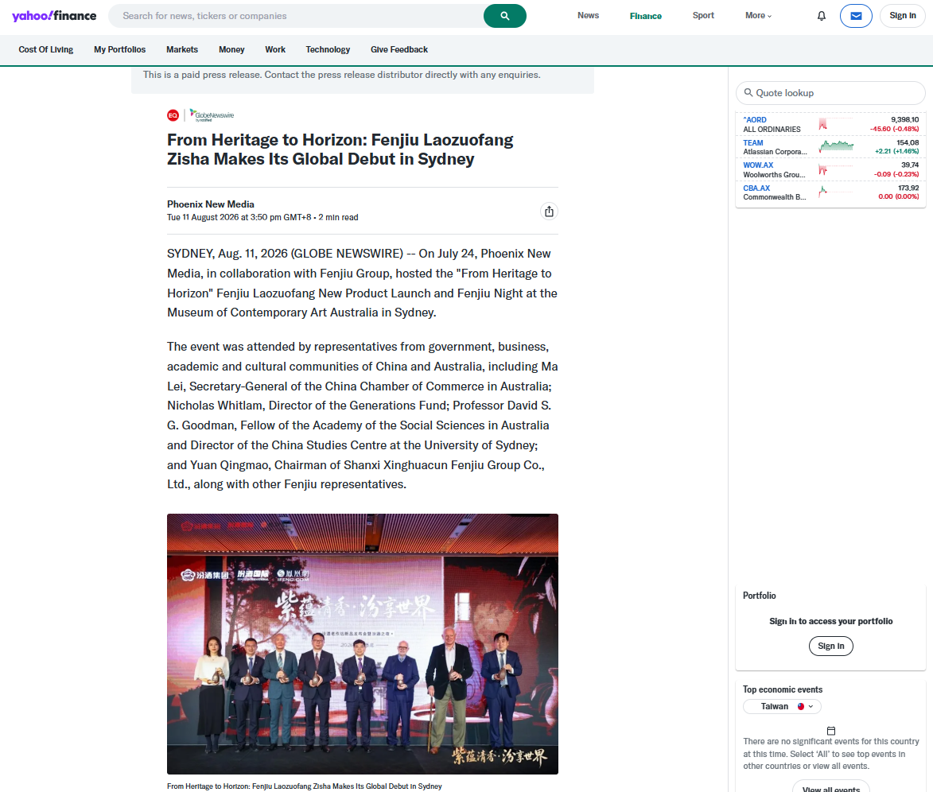
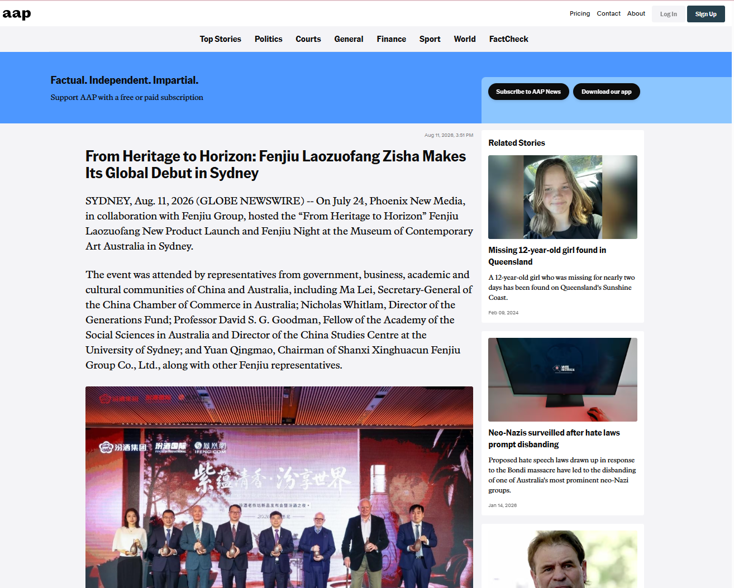
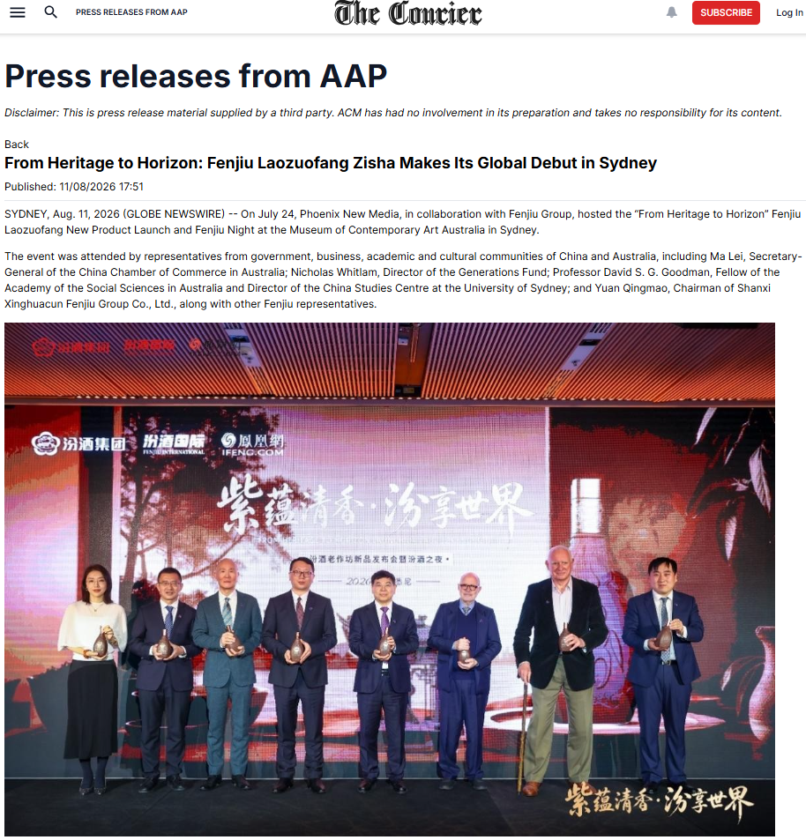

谷歌收录图示
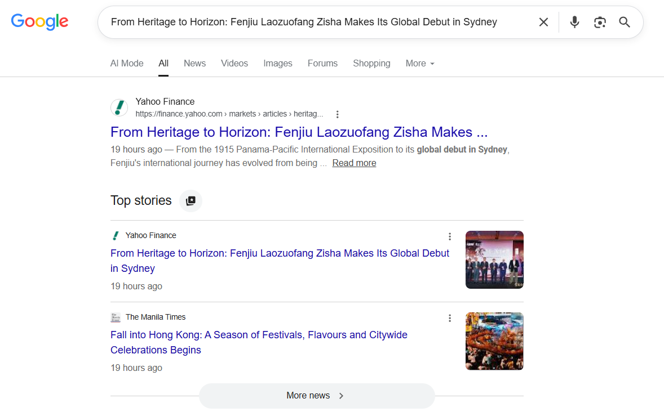

序号 | 媒体名称 | 网址 | 语言 | 地区 | 备注
1 | Yahoo! Finance | https://finance.yahoo.com/markets/articles/heritage-horizon-fenjiu-laozuofang-zisha-075000119.html | 英语 | USA | 雅虎，全球最大的门户网媒
2 | Benzinga | https://www.benzinga.com/pressreleases/26/08/g61099979/heritage-horizon-fenjiu-laozuofang-zisha-makes-its-global-debut-sydney | 英语 | USA | Benzinga是一家总部位于美国密歇根州底特律的财经新闻网站
3 | MENAFN | https://menafn.com/1111526087/From-Heritage-To-Horizon-Fenjiu-Laozuofang-Zisha-Makes-Its-Global-Debut-In-Sydney | 英语 | USA | MENAFN报道世界和中东商业及今日新闻，股票，货币，市场数据，研究，天气等
4 | Australian Associated Press | https://aapnews.aap.com.au/aapreleases/globenewswire9807567 | 英语 | Australia | Australian Associated Press（AAP）是澳大利亚的国家通讯社，创立于1935年，报道全澳大利亚及国际新闻，内容涵盖突发新闻、法庭报道、体育、政治、专题和新闻摄影。
5 | Yahoo! Australia | https://au.finance.yahoo.com/markets/articles/heritage-horizon-fenjiu-laozuofang-zisha-075000119.html | 英语 | Australia | 雅虎，全球最大的门户网媒
6 | The Australian | https://www.theaustralian.com.au/medianet?id=6a7ad6e8ad5f8d3fd2302b3b | 英语 | Australia | The Australian是澳大利亚的国家新闻品牌，1964年创刊，隶属于新闻集团，半个多世纪以来，一直是澳大利亚最值得信赖的新闻、洞察、分析和评论来源，在澳具有广泛影响力。
7 | Herald Sun Australia | https://www.heraldsun.com.au/medianet?id=6a7ad6e8ad5f8d3fd2302b3b | 英语 | Australia | 《先驱太阳报》是澳大利亚阅读量最大的报纸，也是维多利亚州的突发新闻、足球新闻和尖锐评论的来源。
8 | The Daily Telegraph Australia | https://www.dailytelegraph.com.au/medianet?id=6a7ad6e8ad5f8d3fd2302b3b | 英语 | Australia | 作为新南威尔士州第一大报纸，《每日电讯报》已建立起令人骄傲的新闻品牌声誉，为该州其他地区制定了讨论的议程。
9 | The Courier-Mail Australia | https://www.couriermail.com.au/medianet?id=6a7ad6e8ad5f8d3fd2302b3b | 英语 | Australia | 《信使邮报》是昆士兰州政坛中颇具影响力的媒体，也是该州第一份报纸，每月的读者人数已超过 300 万。
10 | Adelaide Now Australia | https://www.adelaidenow.com.au/medianet?id=6a7ad6e8ad5f8d3fd2302b3b | 英语 | Australia | Adelaide Now Australia是南澳大利亚非常成功的新闻网站，整合了《广告人报》、《星期日邮报》和《信使报》以及 news.com.au、《先驱太阳报》和《每日电讯报》等全国各地的报道资源
11 | The Canberra Times Australia | https://www.canberratimes.com.au/press-releases/?rkey=globenewswire9807567/ | 英语 | Australia | The Canberra Times Australia始终服务于堪培拉这座国家级城市，是堪培拉市民信赖的重要新闻来源。
12 | ETNET | http://www.etnet.com.hk/www/tc/news/news-article.php?section=index&category=globenewswire&newsid=9807567&lang=en | 英语 | Hongkong | 香港经济通通讯社于2001年成立，是香港首屈一指的财经资讯网站，提供股票与衍生工具之实时及非实时报价及财经新闻等资讯。
13 | Newcastle Herald | https://www.ntnews.com.au/medianet?id=6a7ad6e8ad5f8d3fd2302b3b | 英语 | Australia | Newcastle Herald 是澳新南威尔士州纽卡斯尔的本土日报，归 ACM 所有，1858 年创立，主打亨特地区本地新闻，是当地权威区域媒体，设新闻稿发布板块。
14 | Gold Coast Bulletin | https://www.goldcoastbulletin.com.au/medianet?id=6a7ad6e8ad5f8d3fd2302b3b | 英语 | Australia | 为澳大利亚昆士兰黄金海岸《Gold Coast Bulletin》官方站点，1885 年创立，归澳洲新闻集团所有，是当地专属日报
15 | The Mercury | https://www.themercury.com.au/medianet?id=6a7ad6e8ad5f8d3fd2302b3b | 英语 | Australia | 《水星报》The Mercury是澳大利亚塔斯马尼亚州历史最悠久的每日报纸，自1854年出版至今，被誉为“塔斯马尼亚之声”。该报隶属于新闻集团（News Corp），提供全面的本地新闻、体育、时事及评论，运营模式涵盖纸质版与数字版。
16 | Geelong Advertiser | https://www.geelongadvertiser.com.au/medianet?id=6a7ad6e8ad5f8d3fd2302b3b | 英语 | Australia | 《吉朗广告商报》Geelong Advertiser是澳大利亚维多利亚州吉朗地区的地方日报，创刊于1840年，是澳历史最悠久的报纸之一，现隶属于澳大利亚社区媒体，主要提供本地新闻、体育和社区资讯。
17 | Illawarra Mercury | https://www.illawarramercury.com.au/press-releases/?rkey=globenewswire9807567/ | 英语 | Australia | 澳大利亚伊拉瓦拉地区的主要地方报纸，提供本地新闻服务
18 | The Cairns Post | https://www.cairnspost.com.au/medianet?id=6a7ad6e8ad5f8d3fd2302b3b | 英语 | Australia | The Cairns Post隶属于是凯恩斯历史最悠久的持续运营企业，也是昆士兰州远北地区最大的媒体机构。在澳大利亚昆士兰州远北地区发行的一份主要报纸，专门服务于凯恩斯地区。
19 | The Chronicle | https://www.thechronicle.com.au/medianet?id=6a7ad6e8ad5f8d3fd2302b3b | 英语 | Australia | 《图文巴纪事报》The Chronicle是澳大利亚昆士兰州图文巴地区的主要日报，专注于提供本地新闻、体育、社区事件及分类信息。
20 | The Courier | https://www.thecourier.com.au/press-releases/?rkey=globenewswire9807567/ | 英语 | Australia | 澳大利亚维多利亚州巴拉瑞特地区的主要日报《信使报》（The Courier）的官方网站
21 | Townsville Bulletin | https://www.townsvillebulletin.com.au/medianet?id=6a7ad6e8ad5f8d3fd2302b3b | 英语 | Australia | 该网站是《汤斯维尔公报》（Townsville Bulletin）官网。它是澳大利亚昆士兰州北部的主要日报，隶属于新闻集团，专注于提供本地新闻、体育、政治及商业报道。
22 | The Examiner | https://www.examiner.com.au/press-releases/?rkey=globenewswire9807567/ | 英语 | Australia | The Examiner 是澳大利亚历史第三悠久的报纸，创立于1842年，主要服务于塔斯马尼亚北部地区，总部位于该地区最大的城市朗塞斯顿。其报道范围从西北部的德洛雷恩一直延伸至朗塞斯顿，读者群体覆盖至乔治镇、德比以及东海岸等地。
23 | The Standard | https://www.standard.net.au/press-releases/?rkey=globenewswire9807567/ | 英语 | Australia | The Standard隶属于澳大利亚媒体集团（ACM），于1884年成为日报，是维多利亚州西南部地区主要新闻来源，报道范围广阔，西至波特兰和南澳大利亚州边界，东至科拉克，北至格兰屏山脉。报道本地新闻、体育、娱乐和社区信息网站。
24 | The Border Mail | https://www.bordermail.com.au/press-releases/?rkey=globenewswire9807567/ | 英语 | Australia | The Border Mail是澳大利亚的一份日报，创立于1903年，报道澳大利亚阿尔伯里-沃东加（Albury-Wodonga）双城及周边地区，内容包含以本地新闻为主，同时覆盖全国及国际新闻。内容涵盖社区问题、政治、体育等领域。
25 | Bendigo Advertiser | https://www.bendigoadvertiser.com.au/press-releases/?rkey=globenewswire9807567/ | 英语 | Australia | Bendigo Advertiser是澳大利亚的一份日报，创立于1853年，报道维多利亚州本迪戈（Bendigo）及周边地区，内容包含区域性新闻和社区事务。
26 | The Advocate Australia | https://www.theadvocate.com.au/press-releases/?rkey=globenewswire9807567/ | 英语 | Australia | The Advocate是澳大利亚的一份日报，创立于1890年，报道塔斯马尼亚州西北部和西部地区，内容包含本地新闻和社区资讯。
27 | Thesenior | https://www.thesenior.com.au/press-releases/?rkey=globenewswire9807567/ | 英语 | Australia | The Senior是澳大利亚的一份全国性月刊，创立于1978年，报道澳大利亚全国，内容涵盖影响老年人的政府决策、健康、理财、生活方式、旅游和娱乐等领域。
28 | Daily Advertiser Australia | https://www.dailyadvertiser.com.au/press-releases/?rkey=globenewswire9807567/ | 英语 | Australia | Daily Advertiser是澳大利亚的一份日报，创刊于1868年（1918年改为日报），报道新南威尔士州沃加沃加（Wagga Wagga）及周边地区，内容包含本地新闻和社区服务。
29 | Central Western Daily | https://www.centralwesterndaily.com.au/press-releases/?rkey=globenewswire9807567/ | 英语 | Australia | Central Western Daily是澳大利亚的一份日报，创立于1945年，报道新南威尔士州中西部地区（以奥兰治Orange为中心），内容包含社区新闻、本地人物及区域、全国新闻。
30 | Batemans Bay Post | https://www.batemansbaypost.com.au/press-releases/?rkey=globenewswire9807567/ | 英语 | Australia | Batemans Bay Post是澳大利亚的一份社区周报，报道新南威尔士州南海岸巴特曼斯贝（Batemans Bay）及Eurobodalla地区，内容包含本地社区新闻。
31 | Queensland Country Life | https://www.queenslandcountrylife.com.au/press-releases/?rkey=globenewswire9807567/ | 英语 | Australia | Queensland Country Life是澳大利亚的一份行业周报，创立于1935年，报道昆士兰州，内容专注于农业、畜牧及相关农村产业新闻。
32 | Medianet - NewsHub | https://newshub.medianet.com.au/2026/08/from-heritage-to-horizon-fenjiu-laozuofang-zisha-makes-its-global-debut-in-sydney/165874/ | 英语 | Australia | Medianet - NewsHub是澳大利亚的一个数字平台，创立于1983年，报道范围覆盖澳大利亚，内容涉及媒体情报、公关传播和新闻稿聚合。
33 | The Daily Liberal | https://www.dailyliberal.com.au/press-releases/?rkey=globenewswire9807567/ | 英语 | Australia | The Daily Liberal是澳大利亚的一份日报，报道新南威尔士州达博（Dubbo）及Orana地区，内容包含本地新闻和社区资讯。
34 | Macau Business | https://macaubusiness.com/from-heritage-to-horizon-fenjiu-laozuofang-zisha-makes-its-global-debut-in-sydney/ | 英语 | Macau | Macau Business
35 | Northern Daily Leader AU | https://www.northerndailyleader.com.au/press-releases/?rkey=globenewswire9807567/ | 英语 | Australia | Northern Daily Leader AU
36 | Western Advocate | https://www.westernadvocate.com.au/press-releases/?rkey=globenewswire9807567/ | 英语 | Australia | Western Advocate
37 | The Land | https://www.theland.com.au/press-releases/?rkey=globenewswire9807567/ | 英语 | Australia | The Land
38 | Gou L Burn Post | https://www.goulburnpost.com.au/press-releases/?rkey=globenewswire9807567/ | 英语 | Australia | Gou L Burn Post
39 | South Coast Register | https://www.southcoastregister.com.au/press-releases/?rkey=globenewswire9807567/ | 英语 | Australia | South Coast Register
40 | Maitland Mercury | https://www.maitlandmercury.com.au/press-releases/?rkey=globenewswire9807567/ | 英语 | Australia | Maitland Mercury
41 | Blue Mountains Gazette | https://www.bluemountainsgazette.com.au/press-releases/?rkey=globenewswire9807567/ | 英语 | Australia | Blue Mountains Gazette
42 | Farm Weekly | https://www.farmweekly.com.au/press-releases/?rkey=globenewswire9807567/ | 英语 | Australia | Farm Weekly
43 | Stock & Land | https://www.stockandland.com.au/press-releases/?rkey=globenewswire9807567/ | 英语 | Australia | Stock & Land
44 | Farm Online | https://www.farmonline.com.au/press-releases/?rkey=globenewswire9807567/ | 英语 | Australia | Farm Online
45 | Bega District News | https://www.begadistrictnews.com.au/press-releases/?rkey=globenewswire9807567/ | 英语 | Australia | Bega District News
46 | June E Southern Cross | https://www.juneesoutherncross.com.au/press-releases/?rkey=globenewswire9807567/ | 英语 | Australia | June E Southern Cross
47 | Stock Journal | https://www.stockjournal.com.au/press-releases/?rkey=globenewswire9807567/ | 英语 | Australia | Stock Journal
48 | Areanews | https://www.areanews.com.au/press-releases/?rkey=globenewswire9807567/ | 英语 | Australia | Areanews
49 | Ulladulla Times | https://www.ulladullatimes.com.au/press-releases/?rkey=globenewswire9807567/ | 英语 | Australia | Ulladulla Times
50 | Manning River Times | https://www.manningrivertimes.com.au/press-releases/?rkey=globenewswire9807567/ | 英语 | Australia | Manning River Times
51 | Armida Le Express | https://www.armidaleexpress.com.au/press-releases/?rkey=globenewswire9807567/ | 英语 | Australia | Armida Le Express
52 | Hunter Valley News | https://www.huntervalleynews.net.au/press-releases/?rkey=globenewswire9807567/ | 英语 | Australia | Hunter Valley News
53 | Katherine Times | https://www.katherinetimes.com.au/press-releases/?rkey=globenewswire9807567/ | 英语 | Australia | Katherine Times
54 | Coot Amund Ra Herald | https://www.cootamundraherald.com.au/press-releases/?rkey=globenewswire9807567/ | 英语 | Australia | Coot Amund Ra Herald
55 | Macleay Argus | https://www.macleayargus.com.au/press-releases/?rkey=globenewswire9807567/ | 英语 | Australia | Macleay Argus
56 | Weekender | https://weekender.com.sg/globenewswire/?gnw_id=3342422/language/en | 英语 | Singapore | Weekender
57 | B Layney Chronicle | https://www.blayneychronicle.com.au/press-releases/?rkey=globenewswire9807567/ | 英语 | Australia | B Layney Chronicle
58 | Northwest Star | https://www.northweststar.com.au/press-releases/?rkey=globenewswire9807567/ | 英语 | Australia | Northwest Star
59 | Mandurah Mail | https://www.mandurahmail.com.au/press-releases/?rkey=globenewswire9807567/ | 英语 | Australia | Mandurah Mail
60 | Crook Well Gazette | https://www.crookwellgazette.com.au/press-releases/?rkey=globenewswire9807567/ | 英语 | Australia | Crook Well Gazette
61 | Great Lakes Advocate | https://www.greatlakesadvocate.com.au/press-releases/?rkey=globenewswire9807567/ | 英语 | Australia | Great Lakes Advocate
62 | Glen Innes Examiner | https://www.gleninnesexaminer.com.au/press-releases/?rkey=globenewswire9807567/ | 英语 | Australia | Glen Innes Examiner
63 | Me Rim Bula News Weekly | https://www.merimbulanewsweekly.com.au/press-releases/?rkey=globenewswire9807567/ | 英语 | Australia | Me Rim Bula News Weekly
64 | Mus Well Brook Chronicle | https://www.muswellbrookchronicle.com.au/press-releases/?rkey=globenewswire9807567/ | 英语 | Australia | Mus Well Brook Chronicle
65 | North Queensland Register | https://www.northqueenslandregister.com.au/press-releases/?rkey=globenewswire9807567/ | 英语 | Australia | North Queensland Register
66 | More E Champion | https://www.moreechampion.com.au/press-releases/?rkey=globenewswire9807567/ | 英语 | Australia | More E Champion
67 | News Centre | https://www.newscentre.com.au/releases.html?id=6a7ad6e8ad5f8d3fd2302b3b | 英语 | Australia | News Centre
68 | Small Business Online Network | https://www.smallbusinessonlinenetwork.com/article/933308997-from-heritage-to-horizon-fenjiu-laozuofang-zisha-makes-its-global-debut-in-sydney | 英语 | USA | Small Business Online Network
69 | Irrigator | https://www.irrigator.com.au/press-releases/?rkey=globenewswire9807567/ | 英语 | Australia | Irrigator
70 | Michigan Entertainment Wire | https://www.michiganentertainmentwire.com/article/933308997-from-heritage-to-horizon-fenjiu-laozuofang-zisha-makes-its-global-debut-in-sydney | 英语 | USA | Michigan Entertainment Wire
71 | Port Stephens Examiner | https://www.portstephensexaminer.com.au/press-releases/?rkey=globenewswire9807567/ | 英语 | Australia | Port Stephens Examiner
72 | Dun Gog Chronicle | https://www.dungogchronicle.com.au/press-releases/?rkey=globenewswire9807567/ | 英语 | Australia | Dun Gog Chronicle
73 | Braidwood Times | https://www.braidwoodtimes.com.au/press-releases/?rkey=globenewswire9807567/ | 英语 | Australia | Braidwood Times
74 | International Business Watch | https://www.internationalbusinesswatch.com/article/933308997-from-heritage-to-horizon-fenjiu-laozuofang-zisha-makes-its-global-debut-in-sydney | 英语 | USA | International Business Watch
75 | Camden Courier | https://www.camdencourier.com.au/press-releases/?rkey=globenewswire9807567/ | 英语 | Australia | Camden Courier
76 | My Australian News (Australia) | https://www.myaustraliannews.com.au/news-releases.html?id=6a7ad6e8ad5f8d3fd2302b3b | 英语 | Australia | My Australian News (Australia)
77 | Louisiana Industry Journal | https://www.louisianaindustryjournal.com/article/933308997-from-heritage-to-horizon-fenjiu-laozuofang-zisha-makes-its-global-debut-in-sydney | 英语 | USA | Louisiana Industry Journal
78 | Consumer World Report | https://www.consumerworldreport.com/article/933308997-from-heritage-to-horizon-fenjiu-laozuofang-zisha-makes-its-global-debut-in-sydney | 英语 | USA | Consumer World Report
79 | The World Newswire | https://www.theworldnewswire.com/article/933308997-from-heritage-to-horizon-fenjiu-laozuofang-zisha-makes-its-global-debut-in-sydney | 英语 | USA | The World Newswire
80 | Global Business Watch | https://www.globalbusinesswatch.com/article/933308997-from-heritage-to-horizon-fenjiu-laozuofang-zisha-makes-its-global-debut-in-sydney | 英语 | USA | Global Business Watch
81 | Economic Policy Times | https://www.economicpolicytimes.com/article/933308997-from-heritage-to-horizon-fenjiu-laozuofang-zisha-makes-its-global-debut-in-sydney | 英语 | USA | Economic Policy Times
82 | Business Intelligence | https://businessintelligence.mo/2026/08/11/from-heritage-to-horizon-fenjiu-laozuofang-zisha-makes-its-global-debut-in-sydney/ | 英语 | Macau | Business Intelligence
83 | New Products Digest | https://www.newproductsdigest.com/article/933308997-from-heritage-to-horizon-fenjiu-laozuofang-zisha-makes-its-global-debut-in-sydney | 英语 | USA | New Products Digest
84 | Economic News Observer | https://www.economicnewsobserver.com/article/933308997-from-heritage-to-horizon-fenjiu-laozuofang-zisha-makes-its-global-debut-in-sydney | 英语 | USA | Economic News Observer
85 | Growing Businesses In The News | https://www.growingbusinessesinthenews.com/article/933308997-from-heritage-to-horizon-fenjiu-laozuofang-zisha-makes-its-global-debut-in-sydney | 英语 | USA | Growing Businesses In The News
86 | My Guide To Lifestyle | https://www.myguidetolifestyle.com/article/933308997-from-heritage-to-horizon-fenjiu-laozuofang-zisha-makes-its-global-debut-in-sydney | 英语 | USA | My Guide To Lifestyle
87 | Business Herald Online | https://www.businessheraldonline.com/article/933308997-from-heritage-to-horizon-fenjiu-laozuofang-zisha-makes-its-global-debut-in-sydney | 英语 | USA | Business Herald Online
88 | Nvi | https://www.nvi.com.au/press-releases/?rkey=globenewswire9807567/ | 英语 | Australia | Nvi
89 | AAP News | https://www.aapnews.com.au/media-releases/globenewswire9807567/ | 英语 | Australia | AAP News
90 | Good Fruit And Vegetables | https://www.goodfruitandvegetables.com.au/press-releases/?rkey=globenewswire9807567/ | 英语 | Australia | Good Fruit And Vegetables
91 | SMB World Reporter | https://www.smbworldreport.com/article/933308997-from-heritage-to-horizon-fenjiu-laozuofang-zisha-makes-its-global-debut-in-sydney | 英语 | USA | SMB World Reporter
92 | B Unbury Mail | https://www.bunburymail.com.au/press-releases/?rkey=globenewswire9807567/ | 英语 | Australia | B Unbury Mail
93 | SMB & Me | https://www.smbandme.com/article/933308997-from-heritage-to-horizon-fenjiu-laozuofang-zisha-makes-its-global-debut-in-sydney | 英语 | USA | SMB & Me
94 | Mining Press Releases | http://www.miningpressreleases.com/article/933308997-from-heritage-to-horizon-fenjiu-laozuofang-zisha-makes-its-global-debut-in-sydney | 英语 | All Countries | Mining Press Releases
95 | Industry Times Tennessee | https://www.industrytimestennessee.com/article/933308997-from-heritage-to-horizon-fenjiu-laozuofang-zisha-makes-its-global-debut-in-sydney | 英语 | USA | Industry Times Tennessee
96 | Global Advertising News | https://www.globaladvertisingnews.com/article/933308997-from-heritage-to-horizon-fenjiu-laozuofang-zisha-makes-its-global-debut-in-sydney | 英语 | USA | Global Advertising News
97 | Montserrat Daily News | https://www.montserratdailynews.com/article/933308997-from-heritage-to-horizon-fenjiu-laozuofang-zisha-makes-its-global-debut-in-sydney | 英语 | Montserrat | Montserrat Daily News
98 | 24/7 Business Reporter | https://www.247businessreporter.com/article/933308997-from-heritage-to-horizon-fenjiu-laozuofang-zisha-makes-its-global-debut-in-sydney | 英语 | USA | 24/7 Business Reporter
99 | Today In Marcom | https://www.todayinmarcom.com/article/933308997-from-heritage-to-horizon-fenjiu-laozuofang-zisha-makes-its-global-debut-in-sydney | 英语 | USA | Today In Marcom
100 | Advertising Industry Review | https://www.advertisingindustryreview.com/article/933308997-from-heritage-to-horizon-fenjiu-laozuofang-zisha-makes-its-global-debut-in-sydney | 英语 | All Countries | Advertising Industry Review
101 | World Culture Times | https://www.worldofculturetimes.com/article/933308997-from-heritage-to-horizon-fenjiu-laozuofang-zisha-makes-its-global-debut-in-sydney | 英语 | All Countries | World Culture Times
102 | Asia News Guide | https://www.asianewsguide.com/article/933308997-from-heritage-to-horizon-fenjiu-laozuofang-zisha-makes-its-global-debut-in-sydney | 英语 | All Countries | Asia News Guide
103 | Cess Nock Advertiser | https://www.cessnockadvertiser.com.au/press-releases/?rkey=globenewswire9807567/ | 英语 | Australia | Cess Nock Advertiser
104 | Channel One Style | https://www.channelonestyle.com/article/933308997-from-heritage-to-horizon-fenjiu-laozuofang-zisha-makes-its-global-debut-in-sydney | 英语 | USA | Channel One Style
105 | Inl (International News Ledger) | https://www.internationalnewsledger.com/article/933308997-from-heritage-to-horizon-fenjiu-laozuofang-zisha-makes-its-global-debut-in-sydney | 英语 | USA | Inl (International News Ledger)
106 | Mud Gee Guardian | https://www.mudgeeguardian.com.au/press-releases/?rkey=globenewswire9807567/ | 英语 | Australia | Mud Gee Guardian
107 | The Asia Pacific Examiner | https://www.Asiapacificexaminer.com/article/933308997-from-heritage-to-horizon-fenjiu-laozuofang-zisha-makes-its-global-debut-in-sydney | 英语 | All Countries | The Asia Pacific Examiner
108 | Small Business News Watch | https://www.smallbusinessnewswatch.com/article/933308997-from-heritage-to-horizon-fenjiu-laozuofang-zisha-makes-its-global-debut-in-sydney | 英语 | USA | Small Business News Watch
109 | Small Business World Journal | https://www.smallbusinessworldjournal.com/article/933308997-from-heritage-to-horizon-fenjiu-laozuofang-zisha-makes-its-global-debut-in-sydney | 英语 | USA | Small Business World Journal
110 | Airline Industry Today | http://www.airlineindustrytoday.com/article/933308997-from-heritage-to-horizon-fenjiu-laozuofang-zisha-makes-its-global-debut-in-sydney | 英语 | All Countries | Airline Industry Today
111 | The Wimmera Mail-Times | https://www.mailtimes.com.au/press-releases/?rkey=globenewswire9807567/ | 英语 | Australia | The Wimmera Mail-Times
112 | Business Post Examiner | https://www.businesspostexaminer.com/article/933308997-from-heritage-to-horizon-fenjiu-laozuofang-zisha-makes-its-global-debut-in-sydney | 英语 | USA | Business Post Examiner
113 | World Advertising Report | https://www.worldadvertisingreport.com/article/933308997-from-heritage-to-horizon-fenjiu-laozuofang-zisha-makes-its-global-debut-in-sydney | 英语 | USA | World Advertising Report
114 | Today In The News | http://www.todayinthenews.com/article/933308997-from-heritage-to-horizon-fenjiu-laozuofang-zisha-makes-its-global-debut-in-sydney | 英语 | USA | Today In The News
115 | Tenterfield Star | https://www.tenterfieldstar.com.au/press-releases/?rkey=globenewswire9807567/ | 英语 | Australia | Tenterfield Star
116 | Journal of Business News | https://www.journalofbusinessnews.com/article/933308997-from-heritage-to-horizon-fenjiu-laozuofang-zisha-makes-its-global-debut-in-sydney | 英语 | All Countries | Journal of Business News
117 | The Marketing Communicator | https://www.themarketingcommunicator.com/article/933308997-from-heritage-to-horizon-fenjiu-laozuofang-zisha-makes-its-global-debut-in-sydney | 英语 | USA | The Marketing Communicator
118 | The Business Gazette Online | https://www.thebusinessgazetteonline.com/article/933308997-from-heritage-to-horizon-fenjiu-laozuofang-zisha-makes-its-global-debut-in-sydney | 英语 | USA | The Business Gazette Online
119 | Business Times Journal | https://www.businesstimesjournal.com/article/933308997-from-heritage-to-horizon-fenjiu-laozuofang-zisha-makes-its-global-debut-in-sydney | 英语 | USA | Business Times Journal
120 | Small Business World Magazine | https://www.smallbusinessworldmagazine.com/article/933308997-from-heritage-to-horizon-fenjiu-laozuofang-zisha-makes-its-global-debut-in-sydney | 英语 | USA | Small Business World Magazine
121 | Consumer Products Times | https://www.consumerproductstimes.com/article/933308997-from-heritage-to-horizon-fenjiu-laozuofang-zisha-makes-its-global-debut-in-sydney | 英语 | USA | Consumer Products Times
122 | Product Innovation Times | https://www.productinnovationtimes.com/article/933308997-from-heritage-to-horizon-fenjiu-laozuofang-zisha-makes-its-global-debut-in-sydney | 英语 | USA | Product Innovation Times
123 | World Post Reporter | https://www.worldpostreporter.com/article/933308997-from-heritage-to-horizon-fenjiu-laozuofang-zisha-makes-its-global-debut-in-sydney | 英语 | USA | World Post Reporter
124 | Marcom World | https://www.marcomworld.com/article/933308997-from-heritage-to-horizon-fenjiu-laozuofang-zisha-makes-its-global-debut-in-sydney | 英语 | USA | Marcom World
125 | The Consumer News Network | https://www.theconsumernewsnetwork.com/article/933308997-from-heritage-to-horizon-fenjiu-laozuofang-zisha-makes-its-global-debut-in-sydney | 英语 | USA | The Consumer News Network
126 | Connect Web | https://connectweb.com.au/news.aspx?id=6a7ad6e8ad5f8d3fd2302b3b | 英语 | Australia | Connect Web
127 | Culture Watch Update | https://www.culturewatchupdate.com/article/933308997-from-heritage-to-horizon-fenjiu-laozuofang-zisha-makes-its-global-debut-in-sydney | 英语 | USA | Culture Watch Update
128 | California Commerce Daily | https://www.californiacommercedaily.com/article/933308997-from-heritage-to-horizon-fenjiu-laozuofang-zisha-makes-its-global-debut-in-sydney | 英语 | USA | California Commerce Daily
129 | The Marcom Journal | https://www.themarcomjournal.com/article/933308997-from-heritage-to-horizon-fenjiu-laozuofang-zisha-makes-its-global-debut-in-sydney | 英语 | USA | The Marcom Journal
130 | Society Arts Culture | https://www.societyartsandculture.com/article/933308997-from-heritage-to-horizon-fenjiu-laozuofang-zisha-makes-its-global-debut-in-sydney | 英语 | USA | Society Arts Culture
131 | Asia Pacific News Today | https://www.asiapacificnewstoday.com/article/933308997-from-heritage-to-horizon-fenjiu-laozuofang-zisha-makes-its-global-debut-in-sydney | 英语 | All Countries | Asia Pacific News Today
132 | Asia News Digest | https://www.asianewsdigest.com/article/933308997-from-heritage-to-horizon-fenjiu-laozuofang-zisha-makes-its-global-debut-in-sydney | 英语 | All Countries | Asia News Digest
133 | Asia Pacific News Journal | https://www.asiapacificnewsjournal.com/article/933308997-from-heritage-to-horizon-fenjiu-laozuofang-zisha-makes-its-global-debut-in-sydney | 英语 | All Countries | Asia Pacific News Journal
134 | Therural | https://www.therural.com.au/press-releases/?rkey=globenewswire9807567/ | 英语 | Australia | Therural
135 | Today in Business | http://www.todayinbusiness.com/article/933308997-from-heritage-to-horizon-fenjiu-laozuofang-zisha-makes-its-global-debut-in-sydney | 英语 | All Countries | Today in Business
136 | Lismore City News | https://www.lismorecitynews.com.au/press-releases/?rkey=globenewswire9807567/ | 英语 | Australia | Lismore City News
137 | The Onlineculture Channel | https://www.theonlineculturechannel.com/article/933308997-from-heritage-to-horizon-fenjiu-laozuofang-zisha-makes-its-global-debut-in-sydney | 英语 | USA | The Onlineculture Channel
138 | Minnesota Industry News | https://www.minnesotaindustrynews.com/article/933308997-from-heritage-to-horizon-fenjiu-laozuofang-zisha-makes-its-global-debut-in-sydney | 英语 | USA | Minnesota Industry News
139 | Eyeballs & Clicks | https://www.eyeballsandclicks.com/article/933308997-from-heritage-to-horizon-fenjiu-laozuofang-zisha-makes-its-global-debut-in-sydney | 英语 | USA | Eyeballs & Clicks
140 | Media Industry Observer | https://www.mediaindustryobserver.com/article/933308997-from-heritage-to-horizon-fenjiu-laozuofang-zisha-makes-its-global-debut-in-sydney | 英语 | USA | Media Industry Observer
141 | Asia Pacific Herald | https://www.asiapacificherald.com/article/933308997-from-heritage-to-horizon-fenjiu-laozuofang-zisha-makes-its-global-debut-in-sydney | 英语 | All Countries | Asia Pacific Herald
142 | Asia Pacific News Network | https://www.asiapacificnewsnetwork.com/article/933308997-from-heritage-to-horizon-fenjiu-laozuofang-zisha-makes-its-global-debut-in-sydney | 英语 | All Countries | Asia Pacific News Network
143 | International Manufacturing Update | https://www.internationalmanufacturingupdate.com/article/933308997-from-heritage-to-horizon-fenjiu-laozuofang-zisha-makes-its-global-debut-in-sydney | 英语 | All Countries | International Manufacturing Update
144 | Industry Journal of Maine | https://www.industryjournalmaine.com/article/933308997-from-heritage-to-horizon-fenjiu-laozuofang-zisha-makes-its-global-debut-in-sydney | 英语 | USA | Industry Journal of Maine
145 | MyConsumer Products Guide | https://www.myconsumerproductsguide.com/article/933308997-from-heritage-to-horizon-fenjiu-laozuofang-zisha-makes-its-global-debut-in-sydney | 英语 | USA | MyConsumer Products Guide
146 | News Channel Asia | https://www.newschannelasia.com/article/933308997-from-heritage-to-horizon-fenjiu-laozuofang-zisha-makes-its-global-debut-in-sydney | 英语 | All Countries | News Channel Asia
147 | Small Business News Today | https://www.smallbusinessnewstoday.com/article/933308997-from-heritage-to-horizon-fenjiu-laozuofang-zisha-makes-its-global-debut-in-sydney | 英语 | USA | Small Business News Today
148 | Books, Poets, and Cats | https://www.bookspoetsandcats.com/article/933308997-from-heritage-to-horizon-fenjiu-laozuofang-zisha-makes-its-global-debut-in-sydney | 英语 | USA | Books, Poets, and Cats
149 | Industry Times of Connecticut | https://www.industrytimesconnecticut.com/article/933308997-from-heritage-to-horizon-fenjiu-laozuofang-zisha-makes-its-global-debut-in-sydney | 英语 | USA | Industry Times of Connecticut
150 | Narooma News | https://www.naroomanewsonline.com.au/press-releases/?rkey=globenewswire9807567/ | 英语 | Australia | Narooma News
151 | Africa Marketing Industry News | https://www.africamarketingindustrynews.com/article/933308997-from-heritage-to-horizon-fenjiu-laozuofang-zisha-makes-its-global-debut-in-sydney | 英语 | South Africa | Africa Marketing Industry News
152 | SmallBusinesses In The News | https://www.smallbusinessesinthenews.com/article/933308997-from-heritage-to-horizon-fenjiu-laozuofang-zisha-makes-its-global-debut-in-sydney | 英语 | USA | SmallBusinesses In The News
153 | International World Times | https://www.internationalworldtimes.com/article/933308997-from-heritage-to-horizon-fenjiu-laozuofang-zisha-makes-its-global-debut-in-sydney | 英语 | All Countries | International World Times
154 | World Report Monitor | https://www.worldreportmonitor.com/article/933308997-from-heritage-to-horizon-fenjiu-laozuofang-zisha-makes-its-global-debut-in-sydney | 英语 | All Countries | World Report Monitor
155 | Global Reporter Journal | https://www.globalreporterjournal.com/article/933308997-from-heritage-to-horizon-fenjiu-laozuofang-zisha-makes-its-global-debut-in-sydney | 英语 | USA | Global Reporter Journal
156 | The Asia Gazette | https://www.theasiagazette.com/article/933308997-from-heritage-to-horizon-fenjiu-laozuofang-zisha-makes-its-global-debut-in-sydney | 英语 | All Countries | The Asia Gazette
157 | Gloucester Advocate | https://www.gloucesteradvocate.com.au/press-releases/?rkey=globenewswire9807567/ | 英语 | Australia | Gloucester Advocate
158 | Newswire NZ | https://www.newswirenz.co.nz/media-releases.html?id=6a7ad6e8ad5f8d3fd2302b3b | 英语 | New Zealand | Newswire NZ
159 | Consumer Goods Press Releases | http://www.consumergoodspressreleases.com/article/933308997-from-heritage-to-horizon-fenjiu-laozuofang-zisha-makes-its-global-debut-in-sydney | 英语 | USA | Consumer Goods Press Releases
160 | Airline Press Releases | http://www.airlinepressreleases.com/article/933308997-from-heritage-to-horizon-fenjiu-laozuofang-zisha-makes-its-global-debut-in-sydney | 英语 | All Countries | Airline Press Releases
161 | The Asia Reporter | https://www.theasiareporter.com/article/933308997-from-heritage-to-horizon-fenjiu-laozuofang-zisha-makes-its-global-debut-in-sydney | 英语 | All Countries | The Asia Reporter
162 | Innovation & Entrepreneurs News | https://www.innovationandentrepreneursnews.com/article/933308997-from-heritage-to-horizon-fenjiu-laozuofang-zisha-makes-its-global-debut-in-sydney | 英语 | USA | Innovation & Entrepreneurs News
163 | Queanbeyan Age | https://www.queanbeyanage.com.au/press-releases/?rkey=globenewswire9807567/ | 英语 | Australia | Queanbeyan Age
164 | Global Media Watch | https://www.globalmediawatch.com/article/933308997-from-heritage-to-horizon-fenjiu-laozuofang-zisha-makes-its-global-debut-in-sydney | 英语 | USA | Global Media Watch
165 | Arts, Society & Me | https://www.artssocietyandme.com/article/933308997-from-heritage-to-horizon-fenjiu-laozuofang-zisha-makes-its-global-debut-in-sydney | 英语 | USA | Arts, Society & Me
166 | Consumer Products In The News | https://www.consumerproductsinthenews.com/article/933308997-from-heritage-to-horizon-fenjiu-laozuofang-zisha-makes-its-global-debut-in-sydney | 英语 | USA | Consumer Products In The News
167 | SMB in Action | https://www.smbinaction.com/article/933308997-from-heritage-to-horizon-fenjiu-laozuofang-zisha-makes-its-global-debut-in-sydney | 英语 | USA | SMB in Action
168 | Nar Romine News Online | https://www.narrominenewsonline.com.au/press-releases/?rkey=globenewswire9807567/ | 英语 | Australia | Nar Romine News Online
169 | Business Journal of Indiana | https://www.businessjournalindiana.com/article/933308997-from-heritage-to-horizon-fenjiu-laozuofang-zisha-makes-its-global-debut-in-sydney | 英语 | USA | Business Journal of Indiana
170 | Oz News Today | https://www.oznewstoday.com.au/news-releases.html?id=6a7ad6e8ad5f8d3fd2302b3b | 英语 | Australia | Oz News Today
171 | San Marino Industry Press | https://www.sanmarinoindustrypress.com/article/933308997-from-heritage-to-horizon-fenjiu-laozuofang-zisha-makes-its-global-debut-in-sydney | 英语 | San Marino | San Marino Industry Press
172 | Industry Times of Delaware | https://www.industrytimesdelaware.com/article/933308997-from-heritage-to-horizon-fenjiu-laozuofang-zisha-makes-its-global-debut-in-sydney | 英语 | USA | Industry Times of Delaware
173 | Uzbekistan Industry Times | https://www.uzbekistanindustrytimes.com/article/933308997-from-heritage-to-horizon-fenjiu-laozuofang-zisha-makes-its-global-debut-in-sydney | 英语 | Uzbekistan | Uzbekistan Industry Times
174 | In Verel L Times | https://www.inverelltimes.com.au/press-releases/?rkey=globenewswire9807567/ | 英语 | Australia | In Verel L Times
175 | Oberon Review | https://www.oberonreview.com.au/press-releases/?rkey=globenewswire9807567/ | 英语 | Australia | Oberon Review
176 | Whatsonoz | https://www.whatsonoz.com.au/news-releases.html?id=6a7ad6e8ad5f8d3fd2302b3b | 英语 | Australia | Whatsonoz
177 | Eden Magnet | https://www.edenmagnet.com.au/press-releases/?rkey=globenewswire9807567/ | 英语 | Australia | Eden Magnet
178 | News for Business | https://www.newsforbusiness.com.au/releases.html?id=6a7ad6e8ad5f8d3fd2302b3b | 英语 | Australia | News for Business
179 | Smart's Business Wire | https://www.smartsbusinesswire.com/article/933308997-from-heritage-to-horizon-fenjiu-laozuofang-zisha-makes-its-global-debut-in-sydney | 英语 | USA | Smart's Business Wire
180 | New Products Launch Guide | https://www.newproductslaunchguide.com/article/933308997-from-heritage-to-horizon-fenjiu-laozuofang-zisha-makes-its-global-debut-in-sydney | 英语 | USA | New Products Launch Guide
181 | New Products Watch | https://www.newproductswatch.com/article/933308997-from-heritage-to-horizon-fenjiu-laozuofang-zisha-makes-its-global-debut-in-sydney | 英语 | USA | New Products Watch
182 | Artfully Kentucky | https://www.artfullykentucky.com/article/933308997-from-heritage-to-horizon-fenjiu-laozuofang-zisha-makes-its-global-debut-in-sydney | 英语 | USA | Artfully Kentucky
183 | Automotive Industry Today | http://www.automotiveindustrytoday.com/article/933308997-from-heritage-to-horizon-fenjiu-laozuofang-zisha-makes-its-global-debut-in-sydney | 英语 | All Countries | Automotive Industry Today
184 | Asia Media News | https://www.asiamedianews.com/article/933308997-from-heritage-to-horizon-fenjiu-laozuofang-zisha-makes-its-global-debut-in-sydney | 英语 | India | Asia Media News
185 | Advertising Press Releases | http://www.advertisingpressreleases.com/article/933308997-from-heritage-to-horizon-fenjiu-laozuofang-zisha-makes-its-global-debut-in-sydney | 英语 | USA | Advertising Press Releases
186 | China Daily Sun | https://www.chinadailysun.com/article/933308997-from-heritage-to-horizon-fenjiu-laozuofang-zisha-makes-its-global-debut-in-sydney | 英语 | China | China Daily Sun
187 | Global Products Reporter | https://www.globalproductsreporter.com/article/933308997-from-heritage-to-horizon-fenjiu-laozuofang-zisha-makes-its-global-debut-in-sydney | 英语 | All Countries | Global Products Reporter
188 | News Of Australia | https://www.newsofaustralia.com.au/releases.html?id=6a7ad6e8ad5f8d3fd2302b3b | 英语 | Australia | News Of Australia
189 | Textiles Press Releases | http://www.textilespressreleases.com/article/933308997-from-heritage-to-horizon-fenjiu-laozuofang-zisha-makes-its-global-debut-in-sydney | 英语 | All Countries | Textiles Press Releases
190 | Wyoming Entertainment Digest | https://www.wyomingentertainmentdigest.com/article/933308997-from-heritage-to-horizon-fenjiu-laozuofang-zisha-makes-its-global-debut-in-sydney | 英语 | USA | Wyoming Entertainment Digest
191 | Beijing Free Press | https://www.beijingfreepress.com/article/933308997-from-heritage-to-horizon-fenjiu-laozuofang-zisha-makes-its-global-debut-in-sydney | 英语 | China | Beijing Free Press
192 | Georgian Entertainment Daily | https://www.georgianentertainmentdaily.com/article/933308997-from-heritage-to-horizon-fenjiu-laozuofang-zisha-makes-its-global-debut-in-sydney | 英语 | Georgia | Georgian Entertainment Daily
193 | Palestine Industry News | https://www.palestineindustrynews.com/article/933308997-from-heritage-to-horizon-fenjiu-laozuofang-zisha-makes-its-global-debut-in-sydney | 英语 | Palestinian Authority | Palestine Industry News
194 | Industry Journal of Utah | https://www.industryjournalutah.com/article/933308997-from-heritage-to-horizon-fenjiu-laozuofang-zisha-makes-its-global-debut-in-sydney | 英语 | USA | Industry Journal of Utah
195 | Kuwait Industry Journal | https://www.kuwaitindustryjournal.com/article/933308997-from-heritage-to-horizon-fenjiu-laozuofang-zisha-makes-its-global-debut-in-sydney | 英语 | Kuwait | Kuwait Industry Journal
196 | Texas Industry Journal | https://www.texasindustryjournal.com/article/933308997-from-heritage-to-horizon-fenjiu-laozuofang-zisha-makes-its-global-debut-in-sydney | 英语 | USA | Texas Industry Journal
197 | World Online News Reports | https://www.worldonlinenewsreports.com/article/933308997-from-heritage-to-horizon-fenjiu-laozuofang-zisha-makes-its-global-debut-in-sydney | 英语 | All Countries | World Online News Reports
198 | Global Journal Observer | https://www.globaljournalobserver.com/article/933308997-from-heritage-to-horizon-fenjiu-laozuofang-zisha-makes-its-global-debut-in-sydney | 英语 | All Countries | Global Journal Observer
199 | Journalists | https://journalists.medianet.com.au/release/1056035/8274670 | 英语 | Australia | Journalists
200 | Ny Nga N Observer | https://www.nynganobserver.com.au/press-releases/?rkey=globenewswire9807567/ | 英语 | Australia | Ny Nga N Observer
201 | Advertising Today | http://www.advertisingtoday.com/article/933308997-from-heritage-to-horizon-fenjiu-laozuofang-zisha-makes-its-global-debut-in-sydney | 英语 | USA | Advertising Today
202 | Furniture Press Releases | http://www.furniturepressreleases.com/article/933308997-from-heritage-to-horizon-fenjiu-laozuofang-zisha-makes-its-global-debut-in-sydney | 英语 | All Countries | Furniture Press Releases
203 | Gaming Press Releases | http://www.gamingpressreleases.com/article/933308997-from-heritage-to-horizon-fenjiu-laozuofang-zisha-makes-its-global-debut-in-sydney | 英语 | All Countries | Gaming Press Releases
204 | Telecommunications Press Releases | http://www.telecommunicationspressreleases.com/article/933308997-from-heritage-to-horizon-fenjiu-laozuofang-zisha-makes-its-global-debut-in-sydney | 英语 | All Countries | Telecommunications Press Releases
205 | Telecoms Today | http://www.telecomstoday.com/article/933308997-from-heritage-to-horizon-fenjiu-laozuofang-zisha-makes-its-global-debut-in-sydney | 英语 | All Countries | Telecoms Today
206 | Asian Governments in the News | https://www.asiangovernmentsinthenews.com/article/933308997-from-heritage-to-horizon-fenjiu-laozuofang-zisha-makes-its-global-debut-in-sydney | 英语 | All Countries | Asian Governments in the News
207 | World Governments Watch | https://www.worldgovernmentswatch.com/article/933308997-from-heritage-to-horizon-fenjiu-laozuofang-zisha-makes-its-global-debut-in-sydney | 英语 | All Countries | World Governments Watch
208 | Hong Kong Industry Review | https://www.hongkongindustryreview.com/article/933308997-from-heritage-to-horizon-fenjiu-laozuofang-zisha-makes-its-global-debut-in-sydney | 英语 | Hong Kong | Hong Kong Industry Review
209 | My Music Reporter [Einpresswire] | https://www.mymusicreporter.com/article/933308997-from-heritage-to-horizon-fenjiu-laozuofang-zisha-makes-its-global-debut-in-sydney | 英语 | All Countries | My Music Reporter [Einpresswire]
210 | Music Broadcast Review [Einpresswire] | https://www.musicbroadcastreview.com/article/933308997-from-heritage-to-horizon-fenjiu-laozuofang-zisha-makes-its-global-debut-in-sydney | 英语 | All Countries | Music Broadcast Review [Einpresswire]
211 | Movie Press Releases | http://www.moviepressreleases.com/article/933308997-from-heritage-to-horizon-fenjiu-laozuofang-zisha-makes-its-global-debut-in-sydney | 英语 | All Countries | Movie Press Releases
212 | Andorra Arts Daily | https://www.andorraartsdaily.com/article/933308997-from-heritage-to-horizon-fenjiu-laozuofang-zisha-makes-its-global-debut-in-sydney | 英语 | Andorra | Andorra Arts Daily
213 | The Entrepreneurship Reporter | https://www.entrepreneurshipreporter.com/article/933308997-from-heritage-to-horizon-fenjiu-laozuofang-zisha-makes-its-global-debut-in-sydney | 英语 | USA | The Entrepreneurship Reporter
214 | Construction Press Releases | http://www.constructionpressreleases.com/article/933308997-from-heritage-to-horizon-fenjiu-laozuofang-zisha-makes-its-global-debut-in-sydney | 英语 | All Countries | Construction Press Releases
215 | Seychelles Arts Review | https://www.seychellesartsreview.com/article/933308997-from-heritage-to-horizon-fenjiu-laozuofang-zisha-makes-its-global-debut-in-sydney | 英语 | Seychelles | Seychelles Arts Review
216 | China Digital Press | https://www.chinadigitalpress.com/article/933308997-from-heritage-to-horizon-fenjiu-laozuofang-zisha-makes-its-global-debut-in-sydney | 英语 | China | China Digital Press
217 | Automotive Press Releases | http://www.automotivepressreleases.com/article/933308997-from-heritage-to-horizon-fenjiu-laozuofang-zisha-makes-its-global-debut-in-sydney | 英语 | All Countries | Automotive Press Releases
218 | Chemicals Press Releases | http://www.chemicalspressreleases.com/article/933308997-from-heritage-to-horizon-fenjiu-laozuofang-zisha-makes-its-global-debut-in-sydney | 英语 | All Countries | Chemicals Press Releases
219 | Electronics Press Releases | http://www.electronicspressreleases.com/article/933308997-from-heritage-to-horizon-fenjiu-laozuofang-zisha-makes-its-global-debut-in-sydney | 英语 | All Countries | Electronics Press Releases
220 | Manufacturing Press Releases | http://www.manufacturingpressreleases.com/article/933308997-from-heritage-to-horizon-fenjiu-laozuofang-zisha-makes-its-global-debut-in-sydney | 英语 | All Countries | Manufacturing Press Releases
221 | Military Industry Today | http://www.militaryindustrytoday.com/article/933308997-from-heritage-to-horizon-fenjiu-laozuofang-zisha-makes-its-global-debut-in-sydney | 英语 | All Countries | Military Industry Today
222 | Military Press Releases | http://www.militarypressreleases.com/article/933308997-from-heritage-to-horizon-fenjiu-laozuofang-zisha-makes-its-global-debut-in-sydney | 英语 | All Countries | Military Press Releases
223 | Today On The Internet | http://www.todayontheinternet.com/article/933308997-from-heritage-to-horizon-fenjiu-laozuofang-zisha-makes-its-global-debut-in-sydney | 英语 | USA | Today On The Internet
224 | Alabama Entertainment Guide | https://www.alabamaentertainmentguide.com/article/933308997-from-heritage-to-horizon-fenjiu-laozuofang-zisha-makes-its-global-debut-in-sydney | 英语 | USA | Alabama Entertainment Guide
225 | Alabama Industry Digest | https://www.alabamaindustrydigest.com/article/933308997-from-heritage-to-horizon-fenjiu-laozuofang-zisha-makes-its-global-debut-in-sydney | 英语 | USA | Alabama Industry Digest
226 | Alaska Entertainment Guide | https://www.alaskaentertainmentguide.com/article/933308997-from-heritage-to-horizon-fenjiu-laozuofang-zisha-makes-its-global-debut-in-sydney | 英语 | USA | Alaska Entertainment Guide
227 | Alaska Industry Post | https://www.alaskaindustrypost.com/article/933308997-from-heritage-to-horizon-fenjiu-laozuofang-zisha-makes-its-global-debut-in-sydney | 英语 | USA | Alaska Industry Post
228 | American Samoa Industry Wire | https://www.americansamoaindustrywire.com/article/933308997-from-heritage-to-horizon-fenjiu-laozuofang-zisha-makes-its-global-debut-in-sydney | 英语 | American Samoa | American Samoa Industry Wire
229 | Andorra Industry Press | https://www.andorraindustrypress.com/article/933308997-from-heritage-to-horizon-fenjiu-laozuofang-zisha-makes-its-global-debut-in-sydney | 英语 | Andorra | Andorra Industry Press
230 | Anguilla Entertainment Review | https://www.anguillaentertainmentreview.com/article/933308997-from-heritage-to-horizon-fenjiu-laozuofang-zisha-makes-its-global-debut-in-sydney | 英语 | Anguilla | Anguilla Entertainment Review
231 | Arizona Entertainment Express | https://www.arizonaentertainmentexpress.com/article/933308997-from-heritage-to-horizon-fenjiu-laozuofang-zisha-makes-its-global-debut-in-sydney | 英语 | USA | Arizona Entertainment Express
232 | Arizona Industry Reporter | https://www.arizonaindustryreporter.com/article/933308997-from-heritage-to-horizon-fenjiu-laozuofang-zisha-makes-its-global-debut-in-sydney | 英语 | USA | Arizona Industry Reporter
233 | Arts Daily Arkansas | https://www.artsdailyarkansas.com/article/933308997-from-heritage-to-horizon-fenjiu-laozuofang-zisha-makes-its-global-debut-in-sydney | 英语 | USA | Arts Daily Arkansas
234 | The Arts Daily St. Lucia | https://www.artsdailystlucia.com/article/933308997-from-heritage-to-horizon-fenjiu-laozuofang-zisha-makes-its-global-debut-in-sydney | 英语 | St. Lucia | The Arts Daily St. Lucia
235 | Arts & Entertainment Bermuda | https://www.artsentertainmentbermuda.com/article/933308997-from-heritage-to-horizon-fenjiu-laozuofang-zisha-makes-its-global-debut-in-sydney | 英语 | Bermuda | Arts & Entertainment Bermuda
236 | Arts Entertainment Hongkong | https://www.artsentertainmenthongkong.com/article/933308997-from-heritage-to-horizon-fenjiu-laozuofang-zisha-makes-its-global-debut-in-sydney | 英语 | All Countries | Arts Entertainment Hongkong
237 | Arts Journal Fiji | https://www.artsjournalfiji.com/article/933308997-from-heritage-to-horizon-fenjiu-laozuofang-zisha-makes-its-global-debut-in-sydney | 英语 | Fiji | Arts Journal Fiji
238 | Arts Me Mauritania | https://www.artsmemauritania.com/article/933308997-from-heritage-to-horizon-fenjiu-laozuofang-zisha-makes-its-global-debut-in-sydney | 英语 | Mauritania | Arts Me Mauritania
239 | Arts Observer French Polynesia | https://www.artsobserverfrenchpolynesia.com/article/933308997-from-heritage-to-horizon-fenjiu-laozuofang-zisha-makes-its-global-debut-in-sydney | 英语 | French Polynesia | Arts Observer French Polynesia
240 | Arts Observer of Palau | https://www.artsobserverpalau.com/article/933308997-from-heritage-to-horizon-fenjiu-laozuofang-zisha-makes-its-global-debut-in-sydney | 英语 | Palau | Arts Observer of Palau
241 | Arts Reporter Togo | https://www.artsreportertogo.com/article/933308997-from-heritage-to-horizon-fenjiu-laozuofang-zisha-makes-its-global-debut-in-sydney | 英语 | Togo | Arts Reporter Togo
242 | Arts Report Marshall Islands | https://www.artsreportmarshallislands.com/article/933308997-from-heritage-to-horizon-fenjiu-laozuofang-zisha-makes-its-global-debut-in-sydney | 英语 | Marshall Islands | Arts Report Marshall Islands
243 | The Arts Today Equatorial Guinea | https://www.artstodayequatorialguinea.com/article/933308997-from-heritage-to-horizon-fenjiu-laozuofang-zisha-makes-its-global-debut-in-sydney | 英语 | Equatorial Guinea | The Arts Today Equatorial Guinea
244 | Arts Today Iraq | https://www.artstodayiraq.com/article/933308997-from-heritage-to-horizon-fenjiu-laozuofang-zisha-makes-its-global-debut-in-sydney | 英语 | Iraq | Arts Today Iraq
245 | Arts Today Mongolia | https://www.artstodaymongolia.com/article/933308997-from-heritage-to-horizon-fenjiu-laozuofang-zisha-makes-its-global-debut-in-sydney | 英语 | Mongolia | Arts Today Mongolia
246 | Arts View Liechtenstein | https://www.artsviewliechtenstein.com/article/933308997-from-heritage-to-horizon-fenjiu-laozuofang-zisha-makes-its-global-debut-in-sydney | 英语 | Liechtenstein | Arts View Liechtenstein
247 | Arts Weekly Papua New Guinea | https://www.artsweeklypapuanewguinea.com/article/933308997-from-heritage-to-horizon-fenjiu-laozuofang-zisha-makes-its-global-debut-in-sydney | 英语 | Papua New Guinea | Arts Weekly Papua New Guinea
248 | Arts Wire Cook Islands | https://www.artswirecookislands.com/article/933308997-from-heritage-to-horizon-fenjiu-laozuofang-zisha-makes-its-global-debut-in-sydney | 英语 | Cook Islands | Arts Wire Cook Islands
249 | Arts World Mauritius | https://www.artsworldmauritius.com/article/933308997-from-heritage-to-horizon-fenjiu-laozuofang-zisha-makes-its-global-debut-in-sydney | 英语 | Mauritius | Arts World Mauritius
250 | Arts World Somalia | https://www.artsworldsomalia.com/article/933308997-from-heritage-to-horizon-fenjiu-laozuofang-zisha-makes-its-global-debut-in-sydney | 英语 | Somalia | Arts World Somalia
251 | Arts World Vatican | https://www.artsworldvatican.com/article/933308997-from-heritage-to-horizon-fenjiu-laozuofang-zisha-makes-its-global-debut-in-sydney | 英语 | Holy See / Vatican City | Arts World Vatican
252 | Aruba Industry Monthly | https://www.arubaindustrymonthly.com/article/933308997-from-heritage-to-horizon-fenjiu-laozuofang-zisha-makes-its-global-debut-in-sydney | 英语 | Aruba | Aruba Industry Monthly
253 | Badger State Entertainment Wire | https://www.badgerstateentertainmentwire.com/article/933308997-from-heritage-to-horizon-fenjiu-laozuofang-zisha-makes-its-global-debut-in-sydney | 英语 | USA | Badger State Entertainment Wire
254 | Bahamas Entertainment Daily | https://www.bahamasentertainmentdaily.com/article/933308997-from-heritage-to-horizon-fenjiu-laozuofang-zisha-makes-its-global-debut-in-sydney | 英语 | Bahamas | Bahamas Entertainment Daily
255 | Bahrain Entertainment News | https://www.bahrainentertainmentnews.com/article/933308997-from-heritage-to-horizon-fenjiu-laozuofang-zisha-makes-its-global-debut-in-sydney | 英语 | Bahrain | Bahrain Entertainment News
256 | Bahrain Industry Press | https://www.bahrainindustrypress.com/article/933308997-from-heritage-to-horizon-fenjiu-laozuofang-zisha-makes-its-global-debut-in-sydney | 英语 | Bahrain | Bahrain Industry Press
257 | Barbados Entertainment Reporter | https://www.barbadosentertainmentreporter.com/article/933308997-from-heritage-to-horizon-fenjiu-laozuofang-zisha-makes-its-global-debut-in-sydney | 英语 | Barbados | Barbados Entertainment Reporter
258 | Bermuda Industry Insider | https://www.bermudaindustryinsider.com/article/933308997-from-heritage-to-horizon-fenjiu-laozuofang-zisha-makes-its-global-debut-in-sydney | 英语 | Bermuda | Bermuda Industry Insider
259 | Bhutan Industry Post | https://www.bhutanindustrypost.com/article/933308997-from-heritage-to-horizon-fenjiu-laozuofang-zisha-makes-its-global-debut-in-sydney | 英语 | Bhutan | Bhutan Industry Post
260 | Brunei Entertainment Daily | https://www.bruneientertainmentdaily.com/article/933308997-from-heritage-to-horizon-fenjiu-laozuofang-zisha-makes-its-global-debut-in-sydney | 英语 | Brunei Darussalam | Brunei Entertainment Daily
261 | Brunei Industry Today | https://www.bruneiindustrytoday.com/article/933308997-from-heritage-to-horizon-fenjiu-laozuofang-zisha-makes-its-global-debut-in-sydney | 英语 | Brunei Darussalam | Brunei Industry Today
262 | Burundi Arts Insider | https://www.burundiartsinsider.com/article/933308997-from-heritage-to-horizon-fenjiu-laozuofang-zisha-makes-its-global-debut-in-sydney | 英语 | Burundi | Burundi Arts Insider
263 | Burundi Industry Journal | https://www.burundiindustryjournal.com/article/933308997-from-heritage-to-horizon-fenjiu-laozuofang-zisha-makes-its-global-debut-in-sydney | 英语 | Burundi | Burundi Industry Journal
264 | Cabo Verde Arts | https://www.caboverdearts.com/article/933308997-from-heritage-to-horizon-fenjiu-laozuofang-zisha-makes-its-global-debut-in-sydney | 英语 | Cape Verde | Cabo Verde Arts
265 | Cabo Verde Industry News | https://www.caboverdeindustrynews.com/article/933308997-from-heritage-to-horizon-fenjiu-laozuofang-zisha-makes-its-global-debut-in-sydney | 英语 | Cape Verde | Cabo Verde Industry News
266 | California Entertainment Press | https://www.californiaentertainmentpress.com/article/933308997-from-heritage-to-horizon-fenjiu-laozuofang-zisha-makes-its-global-debut-in-sydney | 英语 | USA | California Entertainment Press
267 | Cambodia Entertainment Digest | https://www.cambodiaentertainmentdigest.com/article/933308997-from-heritage-to-horizon-fenjiu-laozuofang-zisha-makes-its-global-debut-in-sydney | 英语 | Cambodia | Cambodia Entertainment Digest
268 | Cambodia Industry Wire | https://www.cambodiaindustrywire.com/article/933308997-from-heritage-to-horizon-fenjiu-laozuofang-zisha-makes-its-global-debut-in-sydney | 英语 | Cambodia | Cambodia Industry Wire
269 | Cayenne Industry Times | https://www.cayenneindustrytimes.com/article/933308997-from-heritage-to-horizon-fenjiu-laozuofang-zisha-makes-its-global-debut-in-sydney | 英语 | French Guiana | Cayenne Industry Times
270 | Cayman Islands Industry Press | https://www.caymanislandsindustrypress.com/article/933308997-from-heritage-to-horizon-fenjiu-laozuofang-zisha-makes-its-global-debut-in-sydney | 英语 | Cayman Islands | Cayman Islands Industry Press
271 | China Arts Entertainment Daily | https://www.chinaartsentertainmentdaily.com/article/933308997-from-heritage-to-horizon-fenjiu-laozuofang-zisha-makes-its-global-debut-in-sydney | 英语 | China | China Arts Entertainment Daily
272 | Colorado Industry Wire | https://www.coloradoindustrywire.com/article/933308997-from-heritage-to-horizon-fenjiu-laozuofang-zisha-makes-its-global-debut-in-sydney | 英语 | USA | Colorado Industry Wire
273 | Co Moros Arts Hub | https://www.comorosartshub.com/article/933308997-from-heritage-to-horizon-fenjiu-laozuofang-zisha-makes-its-global-debut-in-sydney | 英语 | Comoros | Co Moros Arts Hub
274 | Connecticut Arts Review | https://www.connecticutartsreview.com/article/933308997-from-heritage-to-horizon-fenjiu-laozuofang-zisha-makes-its-global-debut-in-sydney | 英语 | USA | Connecticut Arts Review
275 | Consumer Products World | https://www.consumerproductsworld.com/article/933308997-from-heritage-to-horizon-fenjiu-laozuofang-zisha-makes-its-global-debut-in-sydney | 英语 | USA | Consumer Products World
276 | Cyprus Weekender | https://www.cyprusweekender.com/article/933308997-from-heritage-to-horizon-fenjiu-laozuofang-zisha-makes-its-global-debut-in-sydney | 英语 | Cyprus | Cyprus Weekender
277 | DC Entertainment Wire | https://www.dcentertainmentwire.com/article/933308997-from-heritage-to-horizon-fenjiu-laozuofang-zisha-makes-its-global-debut-in-sydney | 英语 | USA | DC Entertainment Wire
278 | Delaware Entertainment Insider | https://www.delawareentertainmentinsider.com/article/933308997-from-heritage-to-horizon-fenjiu-laozuofang-zisha-makes-its-global-debut-in-sydney | 英语 | USA | Delaware Entertainment Insider
279 | Djibouti Arts Today | https://www.djiboutiartstoday.com/article/933308997-from-heritage-to-horizon-fenjiu-laozuofang-zisha-makes-its-global-debut-in-sydney | 英语 | Djibouti | Djibouti Arts Today
280 | The Djibouti Industry Reporter | https://www.djiboutiindustryreporter.com/article/933308997-from-heritage-to-horizon-fenjiu-laozuofang-zisha-makes-its-global-debut-in-sydney | 英语 | Djibouti | The Djibouti Industry Reporter
281 | Dominica Industry Report | https://www.dominicaindustryreport.com/article/933308997-from-heritage-to-horizon-fenjiu-laozuofang-zisha-makes-its-global-debut-in-sydney | 英语 | Dominica | Dominica Industry Report
282 | Dominican Republic Arts Watch | https://www.dominicanrepublicartswatch.com/article/933308997-from-heritage-to-horizon-fenjiu-laozuofang-zisha-makes-its-global-debut-in-sydney | 英语 | Dominican Republic | Dominican Republic Arts Watch
283 | East Timor Arts Channel | https://www.easttimorartschannel.com/article/933308997-from-heritage-to-horizon-fenjiu-laozuofang-zisha-makes-its-global-debut-in-sydney | 英语 | East Timor | East Timor Arts Channel
284 | East Timor Industry Brief | https://www.easttimorindustrybrief.com/article/933308997-from-heritage-to-horizon-fenjiu-laozuofang-zisha-makes-its-global-debut-in-sydney | 英语 | East Timor | East Timor Industry Brief
285 | Entertaining Oregon | https://www.entertainingoregon.com/article/933308997-from-heritage-to-horizon-fenjiu-laozuofang-zisha-makes-its-global-debut-in-sydney | 英语 | USA | Entertaining Oregon
286 | Entertainment Buzz South Dakota | https://www.entertainmentbuzzsouthdakota.com/article/933308997-from-heritage-to-horizon-fenjiu-laozuofang-zisha-makes-its-global-debut-in-sydney | 英语 | USA | Entertainment Buzz South Dakota
287 | Entertainment Daily Dominica | https://www.entertainmentdailydominica.com/article/933308997-from-heritage-to-horizon-fenjiu-laozuofang-zisha-makes-its-global-debut-in-sydney | 英语 | Dominica | Entertainment Daily Dominica
288 | Entertainment Daily Puerto Rico | https://www.entertainmentdailypuertorico.com/article/933308997-from-heritage-to-horizon-fenjiu-laozuofang-zisha-makes-its-global-debut-in-sydney | 英语 | Puerto Rico | Entertainment Daily Puerto Rico
289 | Entertainment Daily Texas | https://www.entertainmentdailytexas.com/article/933308997-from-heritage-to-horizon-fenjiu-laozuofang-zisha-makes-its-global-debut-in-sydney | 英语 | USA | Entertainment Daily Texas
290 | Entertainment Express Rhode Island | https://www.entertainmentexpressrhodeisland.com/article/933308997-from-heritage-to-horizon-fenjiu-laozuofang-zisha-makes-its-global-debut-in-sydney | 英语 | USA | Entertainment Express Rhode Island
291 | Entertainment Guide Illinois | https://www.entertainmentguideillinois.com/article/933308997-from-heritage-to-horizon-fenjiu-laozuofang-zisha-makes-its-global-debut-in-sydney | 英语 | USA | Entertainment Guide Illinois
292 | Entertainment Guide Missouri | https://www.entertainmentguidemissouri.com/article/933308997-from-heritage-to-horizon-fenjiu-laozuofang-zisha-makes-its-global-debut-in-sydney | 英语 | USA | Entertainment Guide Missouri
293 | Entertainment Guide Virgin Islands | https://www.entertainmentguidevirginislands.com/article/933308997-from-heritage-to-horizon-fenjiu-laozuofang-zisha-makes-its-global-debut-in-sydney | 英语 | Virgin Islands (U.S.) | Entertainment Guide Virgin Islands
294 | Entertainment Hub Colorado | https://www.entertainmenthubcolorado.com/article/933308997-from-heritage-to-horizon-fenjiu-laozuofang-zisha-makes-its-global-debut-in-sydney | 英语 | USA | Entertainment Hub Colorado
295 | Entertainment Journal Guadeloupe | https://www.entertainmentjournalguadeloupe.com/article/933308997-from-heritage-to-horizon-fenjiu-laozuofang-zisha-makes-its-global-debut-in-sydney | 英语 | Guadeloupe | Entertainment Journal Guadeloupe
296 | Entertainment News Jamaica | https://www.entertainmentnewsjamaica.com/article/933308997-from-heritage-to-horizon-fenjiu-laozuofang-zisha-makes-its-global-debut-in-sydney | 英语 | Jamaica | Entertainment News Jamaica
297 | Entertainment News Malta | https://www.entertainmentnewsmalta.com/article/933308997-from-heritage-to-horizon-fenjiu-laozuofang-zisha-makes-its-global-debut-in-sydney | 英语 | Malta | Entertainment News Malta
298 | Entertainment Press Mold Ova | https://www.entertainmentpressmoldova.com/article/933308997-from-heritage-to-horizon-fenjiu-laozuofang-zisha-makes-its-global-debut-in-sydney | 英语 | All Countries | Entertainment Press Mold Ova
299 | Entertainment Press San Marino | https://www.entertainmentpresssanmarino.com/article/933308997-from-heritage-to-horizon-fenjiu-laozuofang-zisha-makes-its-global-debut-in-sydney | 英语 | San Marino | Entertainment Press San Marino
300 | Entertainment Press Washington | https://www.entertainmentpresswashington.com/article/933308997-from-heritage-to-horizon-fenjiu-laozuofang-zisha-makes-its-global-debut-in-sydney | 英语 | USA | Entertainment Press Washington
301 | Entertainment Review North Dakota | https://www.entertainmentreviewnorthdakota.com/article/933308997-from-heritage-to-horizon-fenjiu-laozuofang-zisha-makes-its-global-debut-in-sydney | 英语 | USA | Entertainment Review North Dakota
302 | Entertainment Times Aruba | https://www.entertainmenttimesaruba.com/article/933308997-from-heritage-to-horizon-fenjiu-laozuofang-zisha-makes-its-global-debut-in-sydney | 英语 | Aruba | Entertainment Times Aruba
303 | Entertainment Times Bhutan | https://www.entertainmenttimesbhutan.com/article/933308997-from-heritage-to-horizon-fenjiu-laozuofang-zisha-makes-its-global-debut-in-sydney | 英语 | Bhutan | Entertainment Times Bhutan
304 | Entertainment Times of Virginia | https://www.entertainmenttimesvirginia.com/article/933308997-from-heritage-to-horizon-fenjiu-laozuofang-zisha-makes-its-global-debut-in-sydney | 英语 | USA | Entertainment Times of Virginia
305 | Entertainment Update Minnesota | https://www.entertainmentupdateminnesota.com/article/933308997-from-heritage-to-horizon-fenjiu-laozuofang-zisha-makes-its-global-debut-in-sydney | 英语 | USA | Entertainment Update Minnesota
306 | Entertainment Weekly New Mexico | https://www.entertainmentweeklynewmexico.com/article/933308997-from-heritage-to-horizon-fenjiu-laozuofang-zisha-makes-its-global-debut-in-sydney | 英语 | USA | Entertainment Weekly New Mexico
307 | Entertainment Wire American Samoa | https://www.entertainmentwireamericansamoa.com/article/933308997-from-heritage-to-horizon-fenjiu-laozuofang-zisha-makes-its-global-debut-in-sydney | 英语 | American Samoa | Entertainment Wire American Samoa
308 | Entertainment Wire Grenada | https://www.entertainmentwiregrenada.com/article/933308997-from-heritage-to-horizon-fenjiu-laozuofang-zisha-makes-its-global-debut-in-sydney | 英语 | Grenada | Entertainment Wire Grenada
309 | Entertainment Wire Massachusetts | https://www.entertainmentwiremassachusetts.com/article/933308997-from-heritage-to-horizon-fenjiu-laozuofang-zisha-makes-its-global-debut-in-sydney | 英语 | USA | Entertainment Wire Massachusetts
310 | Entertainment World Cayman Islands | https://www.entertainmentworldcaymanislands.com/article/933308997-from-heritage-to-horizon-fenjiu-laozuofang-zisha-makes-its-global-debut-in-sydney | 英语 | Cayman Islands | Entertainment World Cayman Islands
311 | Equatorial Guinea Industry News | https://www.equatorialguineaindustrynews.com/article/933308997-from-heritage-to-horizon-fenjiu-laozuofang-zisha-makes-its-global-debut-in-sydney | 英语 | Equatorial Guinea | Equatorial Guinea Industry News
312 | Falkland Sarts Reporter | https://www.falklandsartsreporter.com/article/933308997-from-heritage-to-horizon-fenjiu-laozuofang-zisha-makes-its-global-debut-in-sydney | 英语 | All Countries | Falkland Sarts Reporter
...

